Website Products w Links
 | CC Patio Scottsdale LLC

 | CC Patio Furniture is fully customizable. While we offer standard sizes for your convenience, our designers, architects and artisans work together with you to create pieces perfectly tailored to your specific space and taste. Most pieces may be modified to specific dimensions, at the discretion of the architect/engineer. At times, modifications may need secondary approval from the factory, prior to manufacturing.

 | Drawing | Collections | Base SKU | 3D File Name | Arm Height | Sit Height | Length | Depth | Height | Product/Service full name | Memo/Description | MSRP | MSRP w/Aluminum Frame | Description | Height | Fabric Color | Frame Color | Dekton Color | Pillow Color | Add-Ons | Product Link
 | SOFAS, CHAISES & CLUB CHAIRS
1 | 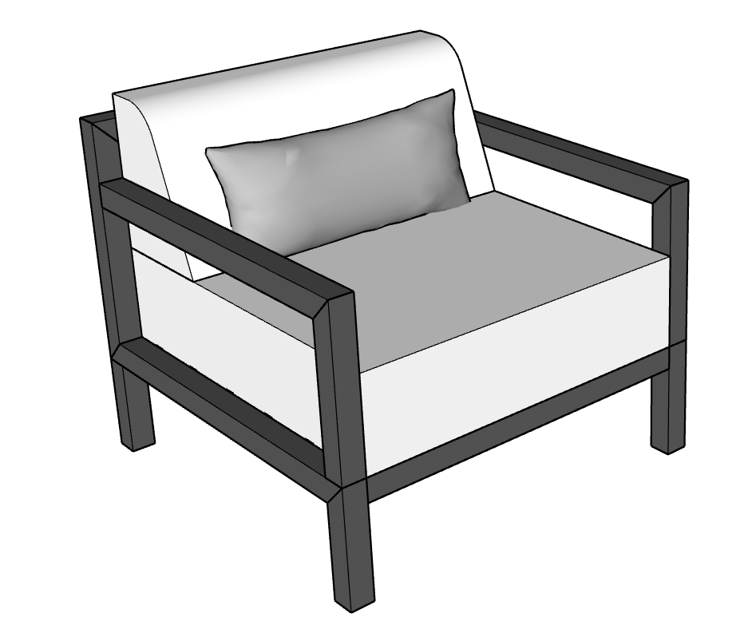 | Bravada | BRV-SWV-34X34 | BRV-SWV-34X34.skp | 24'' | 18'' | 34'' | 34'' | 31'' | BRAVADA SWIVEL CHAIR 34":BRAVADA SWIVEL CHAIR 34" | BRAVADA CLUB CHAIR 34" x 34" x 31" BH | $2,080.00 | $2,392.00 | The Club Chair is comfort combined with classic style. Wide seat with firm cushions, relax in style. With a straight low back and lumbar pillow, rest or socialize in style. Armrests can be fitted with ironwood to soften the look. | N/A | Y | Y | N/A | Y | Ironwood/Dekton Sidearm | https://ccpatiodev2.primeview.com/product/bravada-club-chair/
2 | 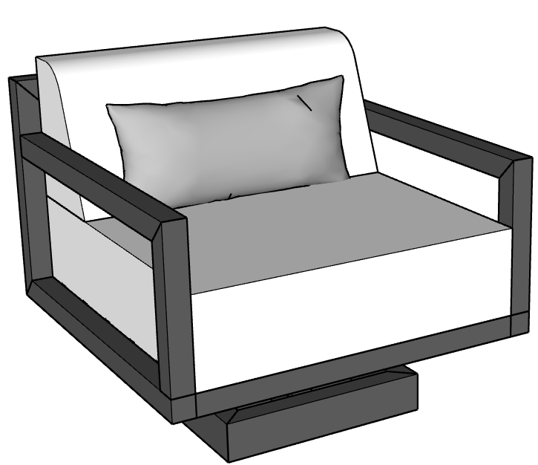 | Bravada | BRV-SWV-34X34 | BRV-SWV-34X34.skp | 24'' | 18'' | 34'' | 34'' | 31'' | BRAVADA SWIVEL CHAIR 34":BRAVADA SWIVEL CHAIR 34" | BRAVADA SWIVEL CHAIR 34" x 34" x 31" BH | $2,580.00 | $2,967.00 | Experience classic comfort with added movement, the Bravada Club Chair features straight low back and lumbar pillow, perfect for relaxation or conversation. Smooth swivel allows for movement and mingling. Arms may be fitted with ironwood add-on or opt for the the Dekton sidearm, perfect for drinks or books. | N/A | Y | Y | N/A | Y | Ironwood/Dekton Sidearm | https://ccpatiodev2.primeview.com/product/bravada-swivel-chair/
 |  |  | BRV-SWV-34X34 | BRV-SWV-34X34.skp |  |  |  |  |  |  | BRAVADA SWIVEL CHAIR W/DEKTON SIDEARM | $2,880.00
3 | 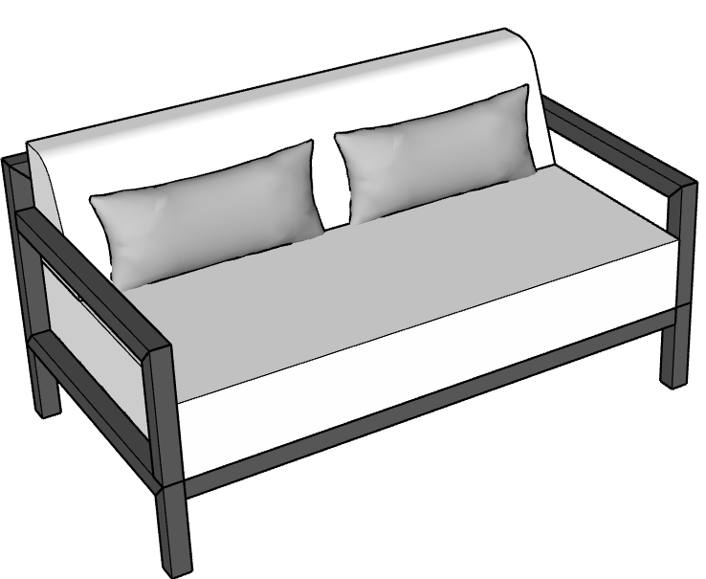 | Bravada | BRV-LOV-60X34 | BRV-LOV-60X34.skp | 24'' | 18'' | 60'' | 34'' | 31'' | BRAVADA LOVESEAT 60":BRAVADA LOVESEAT 60" | BRAVADA LOVESEAT 60" x 34" x 31" BH | $2,750.00 | $3,162.50 | The Bravada Loveseat is playful option to expand the classic Club Chair for more space and seating. Featuring armrests and straight back with lumbar pillows. This classic profile is the perfect accent piece to your seating area. |  | Y | Y | N/A | Y | Ironwood | https://ccpatiodev2.primeview.com/product/bravada-loveseat/
 |  |  | BRV-LOV-48X34 | BRV-LOV-48X34.skp | 24'' | 18'' | 48" | 34" | 31'' | BRAVADA MINI LOVESEAT 48":BRAVADA MINI LOVESEAT 48" | BRAVADA MINI LOVESEAT 48" x 34" x 31" BH | $2,520.00 | $2,898.00 |  |  |  |  |  |  |  | https://ccpatiodev2.primeview.com/product/bravada-mini-loveseat/
4 | 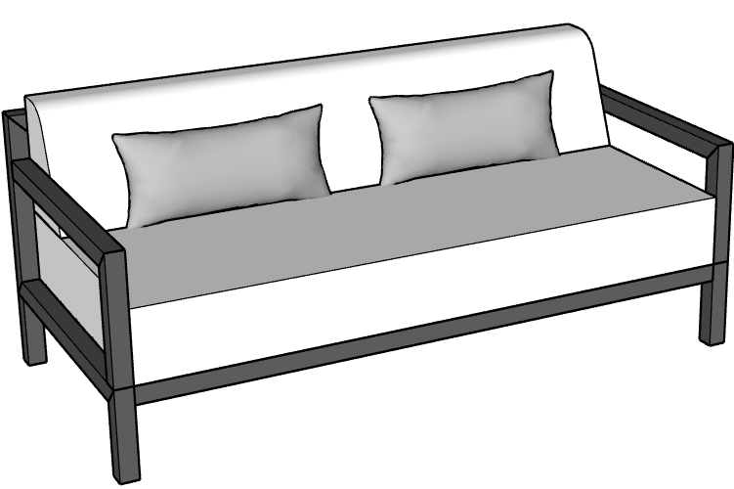 | Bravada | BRV-SOF-72X34 | BRV-SOF-72X34.skp | 24'' | 18'' | 72" | 34'' | 31" | BRAVADA SOFA 72":BRAVADA SOFA 72" | BRAVADA SOFA 72" x 34" x 31" BH | $3,360.00 | $3,864.00 | The Bravada Collection is a classic approach to Luxury, featuring straight back and firm, spacious seating, experience iconic elements that withstand trends and the test of time. Several standard sizes are available, or customize to create an L-shape, U-shape or free-standing pieces that form the perfect seating area for elevated style and iconic comfort | N/A | Y | Y | N/A | Y | Ironwood | https://ccpatiodev2.primeview.com/product/bravada-sofa/
 |  |  | BRV-SOF-84X34 | BRV-SOF-84X34.skp | 24'' | 18'' | 84" | 34'' | 31" | BRAVADA SOFA 84":BRAVADA SOFA 84" | BRAVADA SOFA 84" x 34" x 31" BH | $3,840.00 | $4,416.00
 |  |  | BRV-SOF-96X34 | BRV-SOF-96X34.skp | 24'' | 18'' | 96" | 34'' | 31" | BRAVADA SOFA 96":BRAVADA SOFA 96" | BRAVADA SOFA 96" x 34" x 31" BH | $4,080.00 | $4,692.00
5 | 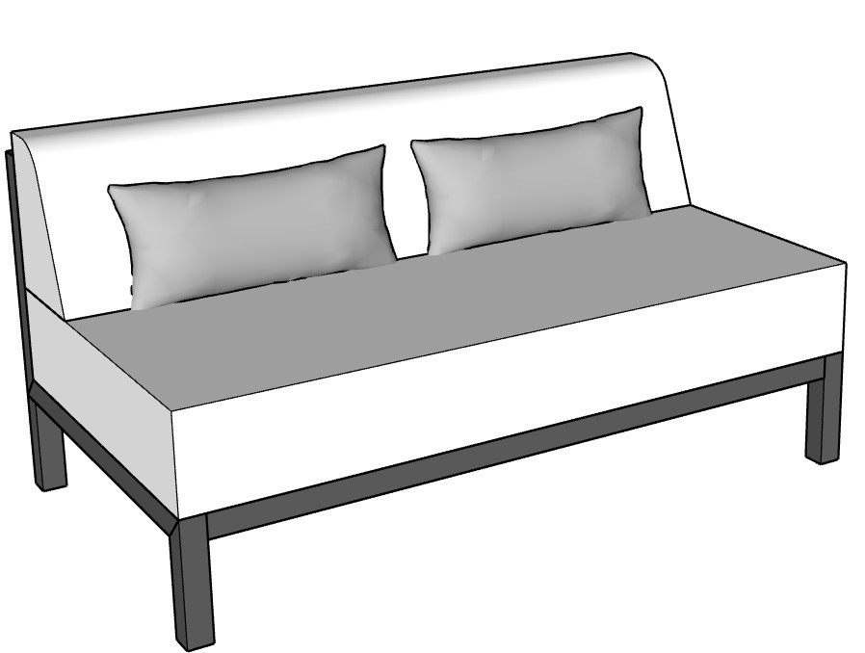 | Bravada | BRV-SOF-72X34 | BRV-SOF-72X34.skp |  |  | 72" | 34" |  |  | BRAVADA ARMLESS SOFA 72" x 34" x 31" BH | $2,880.00 | $3,312.00 | Enhance any area with the addition of the Bravada armless sofa. Combine with a wide corner chaise for a classic L-shape, U-shape perfectly tailored to your outdoor space. This collection features a straigh back, firm seating and timeless details. | N/A | Y | Y | N/A | Y |  | https://ccpatiodev2.primeview.com/product/bravada-armless-sofa/
 |  |  | BRV-LOV-48X34 | BRV-LOV-48X34.skp |  |  | 48" | 34" |  |  | BRAVADA ARMLESS MINI LOVESEAT 48" x 34" x 31" BH | $2,320.00 | $2,668.00
 |  |  | BRV-SOF-34X34 | BRV-SOF-34X34.skp |  |  | 34" | 34" |  |  | BRAVADA ARMLESS SOFA 34" X 34" x 31" BH | $2,040.00 | $2,346.00 |  |  |  |  |  |  |  | https://ccpatiodev2.primeview.com/product/bravada-armless-sofa/
 |  |  | BRV-SOF-72X34 | BRV-SOF-72X34.skp |  |  | 72" | 34" |  |  | BRAVADA ARMLESS SOFA 72" x 34" x 31" BH | $3,360.00 | $3,864.00
 |  |  | BRV-SOF-84X34 | BRV-SOF-84X34.skp |  |  | 84" | 34" |  |  | BRAVADA ARMLESS SOFA 84" x 34" x 31" BH | $3,840.00 | $4,416.00
 |  |  | BRV-SOF-96X34 | BRV-SOF-96X34.skp |  |  | 96" | 34" |  |  | BRAVADA ARMLESS SOFA 96" x 34" x 31" BH | $4,080.00 | $4,692.00
6 | 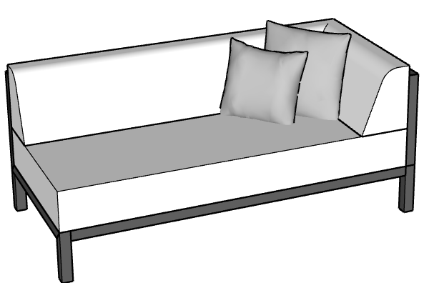 | Bravada | BRV-SOF-72X34 | BRV-SOF-72X34.skp |  | 18'' | 72'' | 34'' | 31'' | BRAVADA CORNER SOFA 72" x 34":BRAVADA CORNER SOFA 72" x 34" | BRAVADA CORNER SOFA 72" x 34" x 31" BH | $3,750.00 | $4,312.50 | Offering ultimate comfort with classic lines, the Bravada Corner Sofa can be combined with other custom pieces to create an L-Shape or U-shape for the perfectly tailored piece around your coffee table or firepit. Add a custom chaise for gatherings with friends or stick with sleek timeless elements. Bravada features a straight back, firm cushion and two corner pillows for added comfort and accentuated style. | N/A | Y | Y | N/A | Y |  | https://ccpatiodev2.primeview.com/product/bravada-corner-sofa/
 |  |  | BRV-SOF-84X34 | BRV-SOF-84X34.skp |  | 18'' | 84'' | 34'' | 31'' | BRAVADA CORNER SOFA 84" x 34":BRAVADA CORNER SOFA 84" x 34" | BRAVADA CORNER SOFA 84" x 34" x 31" BH | $3,950.00 | $4,542.50
 |  |  | BRV-SOF-96X34 | BRV-SOF-96X34.skp |  | 18'' | 96'' | 34'' | 31'' | BRAVADA CORNER SOFA 96" x 34":BRAVADA CORNER SOFA 96" x 34" | BRAVADA CORNER SOFA 96" x 34" x 31" BH | $4,200.00 | $4,830.00
7 | 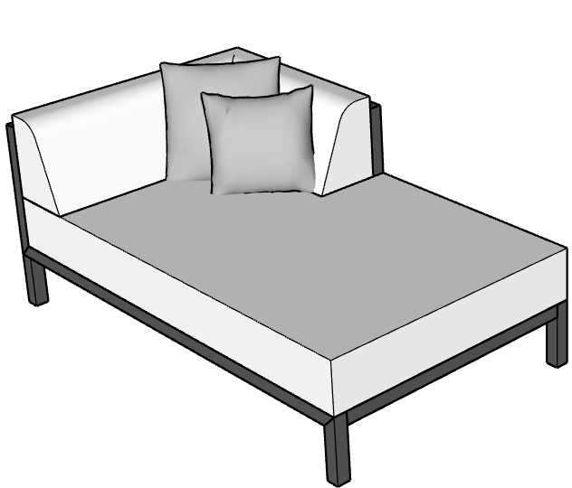 | Bravada | BRV-CHS-72X34 | BRV-CHS-72X34.skp |  |  | 72" | 34" |  |  | BRAVADA CORNER CHAISE 72" x 34" X 31" BH | $3,600.00 | $4,140.00 | Offering ultimate comfort with classic lines, the Bravada Corner Chaise can be combined with other custom pieces to create an L-Shape or U-shape for the perfectly tailored piece around your coffee table or firepit. Get creative and create the perfect configuration for gatherings with friends or stick with sleek timeless elements. Bravada features a straight back, firm cushion and two corner pillows for added comfort and accentuated style. Relax with the knowledge that your outdoor furniture will endure the elements in style. | N/A | Y | Y | N/A | Y |  | https://ccpatiodev2.primeview.com/product/bravada-corner-chaise/
 |  |  | BRV-CHS-84X34 | BRV-CHS-84X34.skp |  |  | 84" | 34" |  |  | BRAVADA CORNER CHAISE 84" x 34" x 31" BH | $3,800.00 | $4,370.00
 |  |  | BRV-CHS-72X42 | BRV-CHS-72X42.skp |  | 18'' | 72" | 42" | 31'' | BRAVADA OVERSIZED CHAISE 72" x 42":BRAVADA OVERSIZED CHAISE 72" x 42" | BRAVADA OVERSIZED CHAISE 72" x 42" x 31" BH | $3,720.00 | $4,278.00 |  |  |  |  |  |  |  | https://ccpatiodev2.primeview.com/product/bravada-oversized-chaise/
 |  |  | BRV-CHS-84X42 | BRV-CHS-84X42.skp |  | 18'' | 84" | 42" | 31'' | BRAVADA OVERSIZED CHAISE 84" x 42":BRAVADA OVERSIZED CHAISE 84" x 42" | BRAVADA OVERSIZED CHAISE 84" x 42" x 31" BH | $4,200.00 | $4,830.00
8 | 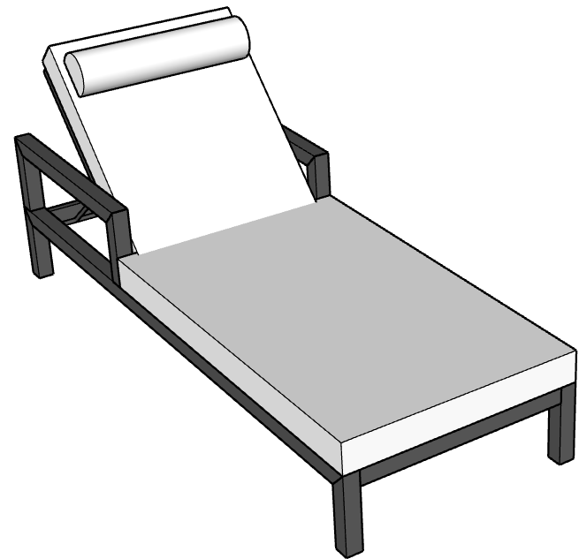 | Bravada | BRV-CHS-30X79 | BRV-CHS-30X79.skp | 20'' | 14'' | 30'' | 79'' |  | BRAVADA SINGLE CHAISE LOUNGE 30" x 79":BRAVADA SINGLE CHAISE LOUNGE 30" x 79" | BRAVADA SINGLE CHAISE LOUNGE 30" x 79" x 14" SH | $2,460.00 | $2,829.00 | The Bravada Chaise Loungers feature a narrow profile, with classic frame. Comfort meets class with a firm cushion and removable headrest included. Adding arms is optional, or a fly table featuring Dekton surfaces for drinks and personal items. Opt for wheels for easy moving. | N/A | Y | Y | N/A | Y | Arms/Ironwood/Casters | https://ccpatiodev2.primeview.com/product/bravada-single-chaise-lounge/
 |  |  | BRV-DCH-58X79 | BRV-DCH-58X79.skp | 20'' | 14'' | 58" | 79''' |  | BRAVADA DOUBLE CHAISE LOUNGE 58" x 79":BRAVADA DOUBLE CHAISE LOUNGE 58" x 79" | BRAVADA DOUBLE CHAISE LOUNGE 58" x 79" x 14" SH | $3,720.00 | $4,278.00 |  |  |  |  |  |  |  | https://ccpatiodev2.primeview.com/product/bravada-double-chaise-lounge/
9 |  | BRAVADA | BRV-RDB-84 | BRV-RDB-84.skp |  |  | 84" |  |  |  | BRAVADA ROUND DAYBED 84" DIAMETER | $7,280.00 | $8,372.00 |  |  |  |  |  |  |  | https://ccpatiodev2.primeview.com/product/bravada-round-daybed/
10 |  | Bravada | BRV-DBD-78X72 | BRV-DBD-78X72.skp | 19" | 14" | 78'' | 72'' | 27" | BRAVADA DAYBED 72" x 78":BRAVADA DAYBED 72" x 78" | BRAVADA DAYBED 72" x 78" x 27" BH | $6,480.00 | $7,452.00 | The Bravada Daybed is the perfect addition to any backyard, for lounging or resting in comfort and style. With two fixed side tables, featuring gorgeous Dekton surfaces, mix and match pillows and thick, comfortable cushion, the Daybed is a favorite centerpiece. Optional umbrella add-on. | N/A | Y | Y | Y | Y | Umbrella Holder | https://ccpatiodev2.primeview.com/product/bravada-daybed/
 |  |  | BRV-DBD-78X78 | BRV-DBD-78X78.skp | 19" | 14" | 78'' | 78'' | 27" | BRAVADA DAYBED 78" x 78":BRAVADA DAYBED 78" x 78" | BRAVADA DAYBED 78" x 78" x 27" BH | $6,720.00 | $7,728.00
 |  |  | BRV-DBD-84X78 | BRV-DBD-84X78.skp | 19" | 14" | 84'' | 78'' | 27" | BRAVADA DAYBED 84" x 78":BRAVADA DAYBED 84" x 78" | BRAVADA DAYBED 84" x 78" x 27" BH | $7,080.00 | $8,142.00
11 | 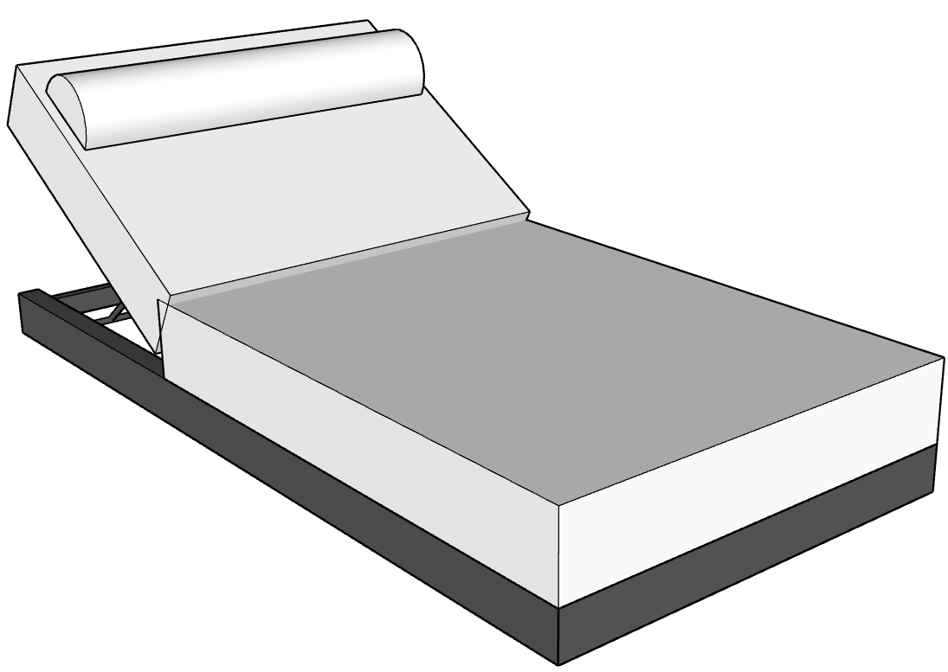 | BROOKLYN | BRK-CHS-38X79 | BRK-CHS-38X79.skp |  | 11'' | 38" | 79" |  | BROOKLYN SINGLE CHAISE LOUNGE 38" x 79":BROOKLYN SINGLE CHAISE LOUNGE 38" x 79" | BROOKLYN SINGLE CHAISE LOUNGE 38" x 79" x 11" SH | $2,940.00 | $3,381.00 | The BROOKLYN Single Chaise Lounger sits directly on the ground and features a thick base cushion for added comfort and style. Our widest lounger has a reclining back and includes a custom headrest, select contrasting colors for an elegent and stylish look that provides the perfect environment for relaxing in style. | N/A | Y | Y | N/A | Y |  | https://ccpatiodev2.primeview.com/product/brooklyn-single-chaise-lounge/
12 | 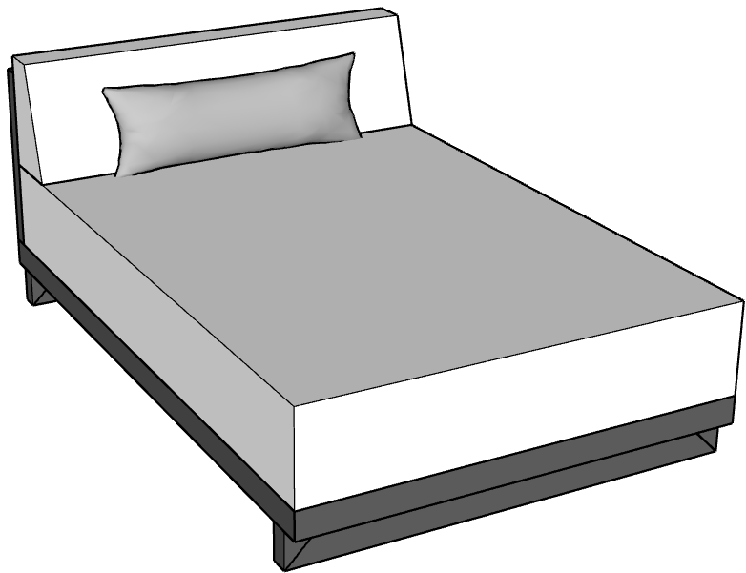 | BROOKLYN | BRK-DCH-48X72 | BRK-DCH-48X72.skp |  | 17" | 48'' | 72'' | 30'' | BROOKLYN TRANSITIONAL DOUBLE CHAISE 48" x 72":BROOKLYN TRANSITIONAL DOUBLE CHAISE 48" x 72" | BROOKLYN TRANSITIONAL DOUBLE CHAISE 48" x 72" x 30" BH | $4,080.00 | $4,692.00 | The BROOKLYN transitional chaise is a unique and stylish piece that combines the comfort of a daybed with the sleek appearance of a chaise. Built-in head rest and optional fly table, welded on the backside. Perfect for tight spaces. | N/A | Y | Y | N/A | Y |  | https://ccpatiodev2.primeview.com/product/booklyn-transitional-double-chaise/
 |  |  | BRK-CHS-36X72 | BRK-CHS-36X72.skp |  | 17'' | 36'' | 72'' | 30'' | BROOKLYN TRANSITIONAL SINGLE CHAISE 36" x 72":BROOKLYN TRANSITIONAL SINGLE CHAISE 36" x 72" | BROOKLYN TRANSITIONAL SINGLE CHAISE 36" x 72" x 30" BH | $3,720.00 | $4,278.00 |  |  |  |  |  |  |  | https://ccpatiodev2.primeview.com/product/booklyn-transitional-single-chaise/
13 | 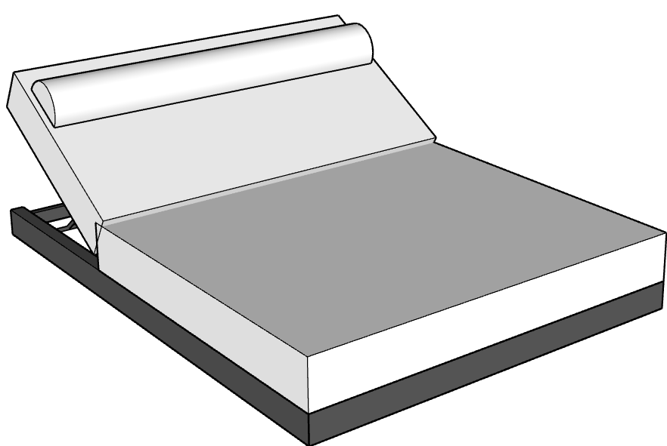 | BROOKLYN | BRK-DCH-58X79 | BRK-DCH-58X79.skp |  | 11" | 58" | 79" |  | BROOKLYN DOUBLE CHAISE LOUNGE 58" x 79":BROOKLYN DOUBLE CHAISE LOUNGE 58" x 79" | BROOKLYN DOUBLE CHAISE LOUNGE 58" x 79" x 11" SH | $4,200.00 | $4,830.00 | The BROOKLYN Double Chaise Lounger sits directly on the ground and features a thick base cushion for added comfort and style. Our widest lounger has a reclining back and includes a custom headrest, select contrasting colors for an elegent and stylish look that provides the perfect environment for relaxing in style. | N/A | Y | Y | N/A | Y |  | https://ccpatiodev2.primeview.com/product/brooklyn-double-chaise-lounge/
 |  |  | BRK-SOF-60X34 | BRK-SOF-60X34.skp |  | 17'' | 60" | 34'' | 30'' | BROOKLYN SOFA 60" x 34":BROOKLYN SOFA 60" x 34" | BROOKLYN SOFA 60" x 34" x 30" BH | $3,360.00 | $3,864.00 | The BROOKLYN Collection features a substantial frame that sits low to the ground for a low profile look that feels elegant and provides the ultimate comfort. Thick seat cushions and a triangular backrest, with both lumbar and square pillows, this armless sofa is typically combined with a corner sofa or chaise. Modify the sizing for the perfect L-shape or U-shape to create an iconic seating area. Combine with our large custom ottoman, featuring a floating piece of Dekton. | N/A | Y | Y | N/A | Y |  | https://ccpatiodev2.primeview.com/product/brooklyn-sofa/
14 |  |  | BRK-SOF-72X34 | BRK-SOF-72X34.skp |  | 17'' | 72" | 34'' | 30'' | BROOKLYN SOFA 72" x 34":BROOKLYN SOFA 72" x 34" | BROOKLYN SOFA 72" x 34" x 30" BH | $3,840.00 | $4,416.00
 |  |  | BRK-SOF-84X34 | BRK-SOF-84X34.skp |  | 17'' | 84" | 34'' | 30'' | BROOKLYN SOFA 84" x 34":BROOKLYN SOFA 84" x 34" | BROOKLYN SOFA 84" x 34" x 30" BH | $4,200.00 | $4,830.00
 |  |  | BRK-SOF-96X34 | BRK-SOF-96X34.skp |  | 17'' | 96" | 34'' | 30'' | BROOKLYN SOFA 96" x 34":BROOKLYN SOFA 96" x 34" | BROOKLYN SOFA 96" x 34" x 30" BH | $4,800.00 | $5,520.00
15 |  | BROOKLYN | BRK-SOF-72X34 | BRK-SOF-72X34.skp |  | 17'' | 72" | 34" | 30'' | BROOKLYN CORNER SOFA 72" x 34":BROOKLYN CORNER SOFA 72" x 34" | BROOKLYN CORNER SOFA 72" x 34" x 30" BH | $3,720.00 | $4,278.00 | The BROOKLYN Collection features a substantial frame that sits low to the ground for a low profile look that feels elegant and provides the ultimate comfort. Thick seat cushions and a triangular backrest, with both lumbar and square pillows, the corner sofa can be combined with our armless sofa for an L-shape or multiple pieces to create an iconic U-shape, perfectly tailored to your seating area. Combine with our large custom ottoman, featuring a floating piece of Dekton. | N/A | Y | Y | N/A | Y |  | https://ccpatiodev2.primeview.com/product/brooklyn-corner-sofa/
 |  | BROOKLYN | BRK-SOF-84X34 | BRK-SOF-84X34.skp |  | 17'' | 84" | 34" | 30'' | BROOKLYN CORNER SOFA 84" x 34":BROOKLYN CORNER SOFA 84" x 34" | BROOKLYN CORNER SOFA 84" x 34" x 30" BH | $4,200.00 | $4,830.00
 |  | BROOKLYN | BRK-SOF-96X34 | BRK-SOF-96X34.skp |  | 17'' | 96" | 34" | 30'' | BROOKLYN CORNER SOFA 96" x 34":BROOKLYN CORNER SOFA 96" x 34" | BROOKLYN CORNER SOFA 96" x 34" x 30" BH | $4,680.00 | $5,382.00
16 |  | BROOKLYN | BRK-CHS-84X42 | BRK-CHS-84X42.skp |  |  | 84" | 42" |  |  | BROOKLYN CORNER CHAISE 84" x 42" x 30" BH | $4,440.00 | $5,106.00 |  | N/A | Y | Y | N/A | Y |  | https://ccpatiodev2.primeview.com/product/brooklyn-corner-chaise/

17 |  | Ocean | OCN-CLB-34X38 | OCN-CLB-34X38.skp | 20'' | 16'' | 34'' | 38'' | 33'' | OCEAN CLUB CHAIR:OCEAN CLUB CHAIR w/METAL ARM 34" | OCEAN CLUB CHAIR w/METAL ARM 34" x 38" x 33" BH | $2,280.00 | $2,622.00 | The Ocean Club chair is a statement piece, elevated style with incredible comfort. Deep seating, thoughtfully angled for both style and relaxation, the aesthetics of the frame add a designer touch that makes for our most popular collection. Wide, firm seat, arms have an optional ironwood add-on. | N/A | Y | Y | N/A | Y | Ironwood/Dekton Sidearm | https://ccpatiodev2.primeview.com/product/ocean-club-chair/
18 | 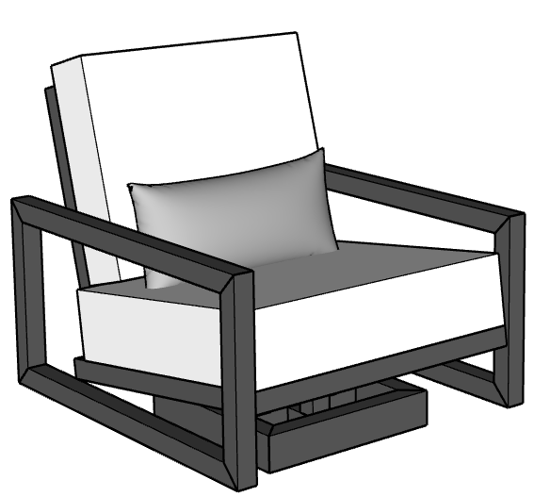 | Ocean | OCN-SWV-34X34 | OCN-SWV-34X34.skp | 21'' | 17'' | 34" | 34" | 34'' | OCEAN SWIVEL CHAIR 34":OCEAN SWIVEL CHAIR 34" | OCEAN SWIVEL CHAIR 34" x 38" x 33" BH | $2,780.00 | $3,197.00 |  | N/A | Y | Y | N/A | Y | Ironwood/Dekton Sidearm | https://ccpatiodev2.primeview.com/product/ocean-swivel-chair/
 |  |  | OCN-SWV-38X34 | OCN-SWV-38X34.skp |  |  | 38" | 34" |  |  | OCEAN SWIVEL CHAIR W/DEKTON SIDEARM 34" x 38" X 33 | $3,080.00
19 |  | Ocean | OCN-SOF-72X38 | OCN-SOF-72X38.skp | 20'' | 16'' | 72" | 38'' | 33'' | OCEAN SOFA 72":OCEAN SOFA 72" | OCEAN SOFA 72" x 38" x 33" BH | $3,600.00 | $4,140.00 | The Ocean Collection is our most popular design and is truly a statement piece, elevated style with incredible comfort. Deep seating, thoughtfully angled for both style and relaxation, the aesthetics of the frame add a designer touch that makes for a unique, yet classic profile. Wide, firm seat, arms have an optional ironwood add-on. Customize to your space and enhance your seating area with matching mini loveseat, swivel chairs or cube ottomans. This iconic look will instantly elevate your outdoor area. | N/A | Y | Y | N/A | Y | Ironwood/Dekton Sidearms | https://ccpatiodev2.primeview.com/product/ocean-sofa/
 |  |  | OCN-SOF-84X38 | OCN-SOF-84X38.skp | 20'' | 16'' | 84" | 38'' | 33'' | OCEAN SOFA 84":OCEAN SOFA 84" | OCEAN SOFA 84" x 38" x 33" BH | $3,960.00 | $4,554.00
 |  |  | OCN-SOF-96X38 | OCN-SOF-96X38.skp | 20'' | 16'' | 96" | 38'' | 33'' | OCEAN SOFA 96":OCEAN SOFA 96" | OCEAN SOFA 96" x 38" x 33" BH | $4,440.00 | $5,106.00
20 | 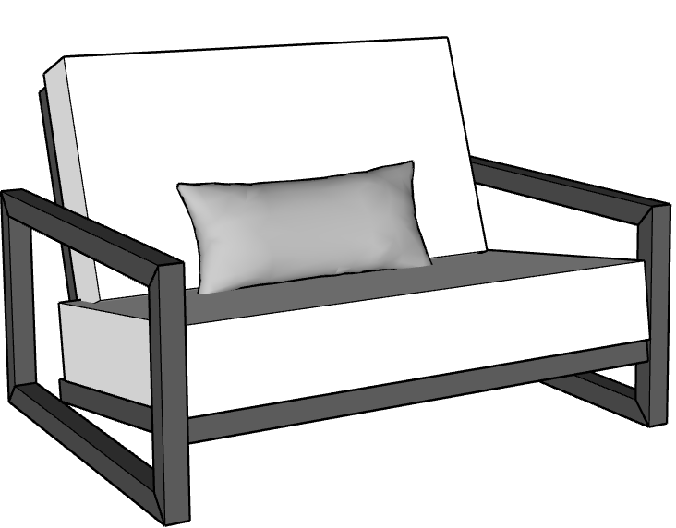 | Ocean | OCN-LOV-60X48 | OCN-LOV-60X48.skp | 20'' | 16'' | 60'' | 48'' | 33'' | OCEAN MINI LOVESEAT 48":OCEAN MINI LOVESEAT 48" | OCEAN MINI LOVESEAT 48" x 38" x 33" BH | $2,540.00 | $2,921.00 | The Ocean Collection is our most popular design and is truly a statement piece, elevated style with incredible comfort. The mini loveseat offers the opportunity to share a cozy space. Deep seating, thoughtfully angled for both style and relaxation, the aesthetics of the frame add a designer touch that makes for a unique, yet classic profile. Wide, firm seat, arms have an optional ironwood add-on. Customize to your space and enhance your seating area with matching swivel chairs or cube ottomans. This iconic look will instantly elevate your outdoor area. | N/A | Y | Y | N/A | Y | Ironwood/Dekton Sidearms | https://ccpatiodev2.primeview.com/product/ocean-mini-loveseat/
 |  |  | OCN-LOV-60X38 | OCN-LOV-60X38.skp | 20'' | 16'' | 60'' | 38'' | 33'' | OCEAN LOVESEAT 60":OCEAN LOVESEAT 60" | OCEAN LOVESEAT 60" x 38" x 33" BH | $3,140.00 | $3,611.00 |  |  |  |  |  |  |  | https://ccpatiodev2.primeview.com/product/ocean-loveseat/
21 | 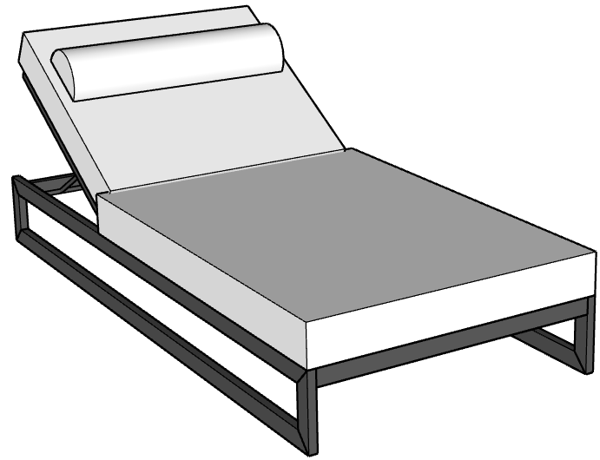 | Ocean | OCN-CHS-36X79 | OCN-CHS-36X79.skp |  | 14" | 36" | 79'' |  | OCEAN SINGLE CHAISE LOUNGE 36" x 79":OCEAN SINGLE CHAISE LOUNGE 36" x 79" | OCEAN SINGLE CHAISE LOUNGE 36" x 79" x 14" SH | $2,550.00 | $2,932.50 | The Ocean Single Chaise lounge sits at 36" wide, spacious and comfortable with a stylish frame that adds a touch of elegance to a staple poolside piece. Reclining back cushion with headrest included. | N/A | Y | Y | N/A | Y | Arms/Ironwood/Casters | https://ccpatiodev2.primeview.com/product/ocean-single-chaise-lounge/
 |  |  | OCN-DCH-58X79 | OCN-DCH-58X79.skp |  | 14" | 58" | 79 | 68'' | OCEAN DOUBLE CHAISE LOUNGE 58" x 79":OCEAN DOUBLE CHAISE LOUNGE 58" x 79" | OCEAN DOUBLE CHAISE LOUNGE 58" x 79" x 14" SH | $3,850.00 | $4,427.50 |  |  |  |  |  |  |  | https://ccpatiodev2.primeview.com/product/ocean-double-chaise-lounge/
22 |  | Milan | MLN-CLB-36X32 | MLN-CLB-36X32.skp |  |  | 36" | 32" |  |  | MILAN CLUB CHAIR 32" x 36" x 16" SH | $2,400.00 | $2,760.00 | Experience the clean comfort of the Milan Collection, featuring a low profile, modular seating. Mix and match pieces for the perfect set-up. | N/A | Y | Y | N/A | Y |  | https://ccpatiodev2.primeview.com/product/milan-club-chair/
23 |  | Milan | MLN-OTT-42X34 | MLN-OTT-42X34.skp |  |  | 42" | 34" |  |  | MILAN OTTOMAN 34" X 42" x 16" | $1,400.00 | $1,610.00 |  | N/A | Y | Y | N/A | Y |  | https://ccpatiodev2.primeview.com/product/milan-ottoman/
24 |  | Milan | MLN-SOF-60X36 | MLN-SOF-60X36.skp |  |  | 60" | 36" |  |  | MILAN ONE-SIDED SOFA 60" X 36" x 16" SH | $3,520.00 | $4,048.00 | Experience the clean comfort of the Milan Collection, featuring a low profile, modular seating. Mix and match pieces for the perfect set-up. Low to the ground, chic and stylish, you will love the warmth of this charming collection. | N/A | Y | Y | N/A | Y |  | https://ccpatiodev2.primeview.com/product/milan-one-sided-sofa/

 |  | Milan | MLN-SOF-72X36 | MLN-SOF-72X36.skp |  |  | 72" | 36" |  |  | MILAN ONE-SIDED SOFA 72" X 36" x 16" SH | $4,030.00 | $4,634.50 | Experience the clean comfort of the Milan Collection, featuring a low profile, modular seating. Mix and match pieces for the perfect set-up. Low to the ground, chic and stylish, you will love the warmth of this charming collection. | N/A | Y | Y | N/A | Y
 |  | Milan | MLN-SOF-84X36 | MLN-SOF-84X36.skp |  |  | 84" | 36" |  |  | MILAN ONE SIDED SOFA 84" X 36" X 16" SH | $4,400.00 | $5,060.00
 |  | Milan | MLN-SOF-96X36 | MLN-SOF-96X36.skp |  |  | 96" | 36" |  |  | MILAN ONE-SIDED SOFA 96" X 36" X 16" SH | $5,040.00 | $5,796.00
25 |  | Milan | MLN-SOF-62X60 | MLN-SOF-62X60.skp |  |  | 62" | 60" |  |  | MILAN DOUBLE-SIDED SOFA 60" X 62" X 16" SH | $5,420.00 | $6,233.00 | Experience the clean comfort of the Milan Collection, featuring a low profile, modular seating. Mix and match pieces for the perfect set-up. Low to the ground, chic and stylish, you will love the warmth of this charming collection. |  |  |  |  |  |  | https://ccpatiodev2.primeview.com/product/milan-double-sided-sofa/
26 |  | Milan | MLN-SOF-62X42 | MLN-SOF-62X42.skp |  |  | 62" | 42" |  |  | MILAN T-SHAPED SOFA 62" X 42" X 22" X 16" SH | $5,700.00 | $6,555.00 |  |  |  |  |  |  |  | https://ccpatiodev2.primeview.com/product/milan-t-shaped-sofa/
 | COFFEE TABLES, T-TABLES, FLYING TABLES
27 | 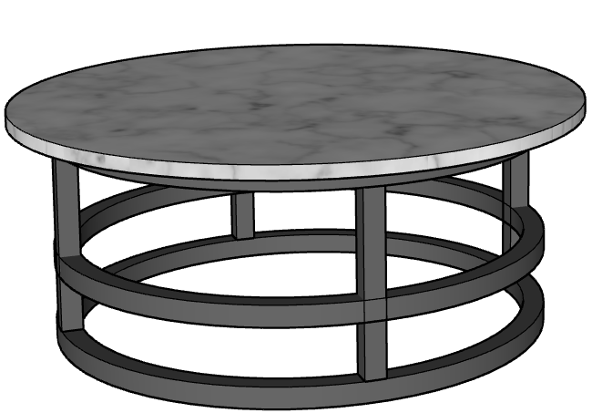 | Ocean | OCN-TBL-36X36 | OCN-TBL-36X36.skp |  |  | 36" | 36" | 16'' | OCEAN ROUND SIDE TABLE 36":OCEAN ROUND SIDE TABLE 36" | OCEAN ROUND SIDE TABLE 36" x 17" | $1,150.00 | $1,322.50 |  | N/A | N/A | Y | Y | N/A |  | https://ccpatiodev2.primeview.com/product/ocean-round-side-table/
 | 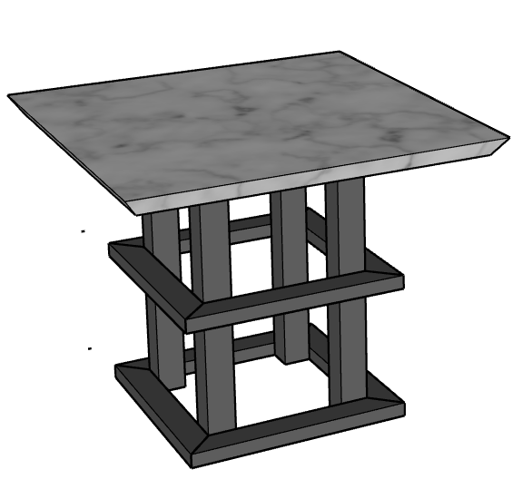 | Ocean | OCN-TBL-20X20 | OCN-TBL-20X20.skp |  |  | 20'' | 20'' | 16" | OCEAN SIDE TABLE 20" x 20":OCEAN SIDE TABLE 20" x 20" | OCEAN SIDE TABLE 20" x 20" x 17" | $900.00 | $1,035.00 |  | N/A | N/A | Y | Y | N/A |  | https://ccpatiodev2.primeview.com/product/ocean-side-table/
28 |  | Bravada | BRV-TBL-42X28 | BRV-TBL-42X28.skp |  |  | 42'' | 28" | 16'' | BRAVADA COFFEE TABLE 28" x 42":BRAVADA COFFEE TABLE 28" x 42" | BRAVADA COFFEE TABLE 28" x 42" x 17" | $2,280.00 | $2,622.00 | Experience the enduring beauty of Dekton sufaces on all of our custom-fabricated tables. The Bravada coffee table is a timeless pieces, featuring clean lines, perfectly designed to fit your outdoor space. 25-year warranty on the stone and structural frame. | N/A | N/A | Y | Y | N/A |  | https://ccpatiodev2.primeview.com/product/bravada-coffee-table/
 |  |  | BRV-TBL-36X36 | BRV-TBL-36X36.skp |  |  | 36" | 36" | 16'' | BRAVADA COFFEE TABLE 36" X 36":BRAVADA COFFEE TABLE 36" x 36" | BRAVADA COFFEE TABLE 36" x 36" x 17" | $2,280.00 | $2,622.00
 |  |  | BRV-TBL-56X36 | BRV-TBL-56X36.skp |  |  | 56" | 36" | 16'' | BRAVADA COFFEE TABLE 36" x 56":BRAVADA COFFEE TABLE 36" x 56" | BRAVADA COFFEE TABLE 36" x 56" x 17" | $3,000.00 | $3,450.00
 |  |  | BRV-TBL-72X36 | BRV-TBL-72X36.skp |  |  | 72" | 36" | 16'' | BRAVADA COFFEE TABLE 36" x 72":BRAVADA COFFEE TABLE 36" x 72" |  | $3,600.00 | $4,140.00
 |  |  | BRV-TBL-42X42 | BRV-TBL-42X42.skp |  |  | 42" | 42" | 16'' | BRAVADA COFFEE TABLE 42" x 42":BRAVADA COFFEE TABLE 42" x 42" | BRAVADA COFFEE TABLE 42" x 42" x 17" | $2,880.00 | $3,312.00
 |  |  | BRV-TBL-56X42 | BRV-TBL-56X42.skp |  |  | 56" | 42" | 16'' | BRAVADA COFFEE TABLE 42" x 56":BRAVADA COFFEE TABLE 42" x 56" | BRAVADA COFFEE TABLE 42" x 56" x 17" | $3,120.00 | $3,588.00
 |  |  | BRV-TBL-72X42 | BRV-TBL-72X42.skp |  |  | 72" | 42" | 16'' | BRAVADA COFFEE TABLE 42" x 72":BRAVADA COFFEE TABLE 42" x 72" | BRAVADA COFFEE TABLE 42" x 72" x 17" | $3,960.00 | $4,554.00
 |  |  | BRV-TBL-56X56 | BRV-TBL-56X56.skp |  |  | 56" | 56" | 16'' | BRAVADA COFFEE TABLE 56" x 56":BRAVADA COFFEE TABLE 56" x 56" | BRAVADA COFFEE TABLE 56" x 56" x 17" | $4,320.00 | $4,968.00
 |  |  | BRV-TBL-72X56 | BRV-TBL-72X56.skp |  |  | 72" | 56" | 16'' | BRAVADA COFFEE TABLE 56" x 72":BRAVADA COFFEE TABLE 56" x 72" | BRAVADA COFFEE TABLE 56" x 72" x 17" | $5,160.00 | $5,934.00
29 | 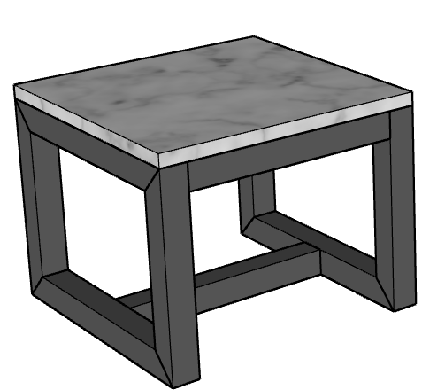 | Bravada | BRV-TBL-20X20 | BRV-TBL-20X20.skp |  |  | 20'' | 20'' | 16'' | BRAVADA SIDE TABLE 20" x 20":BRAVADA SIDE TABLE 20" x 20" | BRAVADA SIDE TABLE 20" x 20" x 17" | $780.00 | $897.00 | Experience the enduring beauty of Dekton sufaces on all of our custom-fabricated tables. The Bravada coffee table is a timeless pieces, featuring clean lines, perfectly designed to fit your outdoor space. 25-year warranty on the stone and structural frame. | N/A | N/A | Y | Y | N/A |  | https://ccpatiodev2.primeview.com/product/bravada-side-table/
30 |  | Ocean | OCN-TBL-56X28 | OCN-TBL-56X28.skp |  |  | 56" | 28'' | 16'' | OCEAN COFFEE TABLE 28" x 56":OCEAN COFFEE TABLE 28" x 56" | OCEAN COFFEE TABLE 28" x 56" x 17" | $3,000.00 | $3,450.00 | Experience the enduring beauty of Dekton sufaces on all of our custom-fabricated tables. The Ocean coffee table boasts a detailed frame with a modern aesthetic. 25-year warranty on the stone and structural frame. | N/A | N/A | Y | Y | N/A |  | https://ccpatiodev2.primeview.com/product/ocean-coffee-table/
 |  |  | OCN-TBL-36X36 | OCN-TBL-36X36.skp |  |  | 36" | 36'' | 16'' | OCEAN COFFEE TABLE 36" x 36":OCEAN COFFEE TABLE 36" x 36" | OCEAN COFFEE TABLE 36" x 36" x 17" | $2,760.00 | $3,174.00
 |  |  | OCN-TBL-56X36 | OCN-TBL-56X36.skp |  |  | 56" | 36'' | 16'' | OCEAN COFFEE TABLE 36" x 56":OCEAN COFFEE TABLE 36" x 56" | OCEAN COFFEE TABLE 36" x 56" x 17" | $3,240.00 | $3,726.00
 |  |  | OCN-TBL-72X36 | OCN-TBL-72X36.skp |  |  | 72" | 36'' | 16'' | OCEAN COFFEE TABLE 36" x 72":OCEAN COFFEE TABLE 36" x 72" | OCEAN COFFEE TABLE 36" x 72" x 17" | $3,840.00 | $4,416.00
 |  |  | OCN-TBL-42X42 | OCN-TBL-42X42.skp |  |  | 42" | 42'' | 16'' | OCEAN COFFEE TABLE 42" x 42":OCEAN COFFEE TABLE 42" x 42" | OCEAN COFFEE TABLE 42" x 42" x 17" | $3,120.00 | $3,588.00
 |  |  | OCN-TBL-56X42 | OCN-TBL-56X42.skp |  |  | 56" | 42'' | 16'' | OCEAN COFFEE TABLE 42" x 56":OCEAN COFFEE TABLE 42" x 56" | OCEAN COFFEE TABLE 42" x 56" x 17" | $3,480.00 | $4,002.00
 |  |  | OCN-TBL-72X42 | OCN-TBL-72X42.skp |  |  | 72" | 42'' | 16'' | OCEAN COFFEE TABLE 42" x 72":OCEAN COFFEE TABLE 42" x 72" | OCEAN COFFEE TABLE 42" x 72" x 17" | $4,200.00 | $4,830.00
 |  |  | OCN-TBL-56X56 | OCN-TBL-56X56.skp |  |  | 56" | 56'' | 16'' | OCEAN COFFEE TABLE 56" x 56":OCEAN COFFEE TABLE 56" x 56" | OCEAN COFFEE TABLE 56" x 56" x 17" | $4,560.00 | $5,244.00
 |  |  | OCN-TBL-72X56 | OCN-TBL-72X56.skp |  |  | 72" | 56'' | 16'' | OCEAN COFFEE TABLE 56" x 72":OCEAN COFFEE TABLE 56" x 72" | OCEAN COFFEE TABLE 56" x 72" x 17" | $5,400.00 | $6,210.00
 |  |  | OCN-TBL-42X28 | OCN-TBL-42X28.skp |  |  | 42'' | 28'' | 16'' | OCEAN COFFEE TABLE 28" x 42":OCEAN COFFEE TABLE 28" x 42" | OCEAN COFFEE TABLE 28" x 42" x 17" | $2,520.00 | $2,898.00
 |  |  | MIS-MIS-12 | MIS-MIS-12.skp |  |  |  | 12'' | 24'' | 16'' | ANGULAR SIDE TABLE | 850.00 | $977.50 |  |  |  |  |  |  |  | https://ccpatiodev2.primeview.com/product/angular-side-table/
31 |  |  | MIS-TBL-60X12 | MIS-TBL-60X12.skp |  |  | 60'' | 12'' | 2'' | FLY TABLE 60":FLY TABLE 60" | FLY TABLE 34" X 12" | $650.00 | $747.50 | Our fly table is a signature piece that can be welded onto your frame or manufactured as a moveable surface. Customize the size and materials to be seamlessly integrated into your furniture and create a unique floating surface for food and drinks. | N/A | N/A | Y | Y | N/A |  | https://ccpatiodev2.primeview.com/product/fly-table/
 |  |  | MIS-TBL-72X12 | MIS-TBL-72X12.skp |  |  | 72'' | 12'' | 2'' | FLY TABLE 72":FLY TABLE 72" | FLY TABLE 72" X 12" | $780.00
 |  |  | MIS-TBL-84X12 | MIS-TBL-84X12.skp |  |  | 84''' | 12'' | 2'' | FLY TABLE 84":FLY TABLE 84" | FLY TABLE 84" X 12" | $900.00 | $1,035.00
 |  |  | MIS-TBL-38X8 | MIS-TBL-38X8.skp |  |  | 38" | 8 | 2'' | FLY TABLE 8":FLY TABLE 8" | FLY TABLE 34" X 12" | $480.00 | $552.00
 |  |  | MIS-TBL-96X12 | MIS-TBL-96X12.skp |  |  | 96'' | 12'' | 2'' | FLY TABLE 96":FLY TABLE 96" | FLY TABLE 96" X 12" | $1,150.00 | $1,322.50
32 | 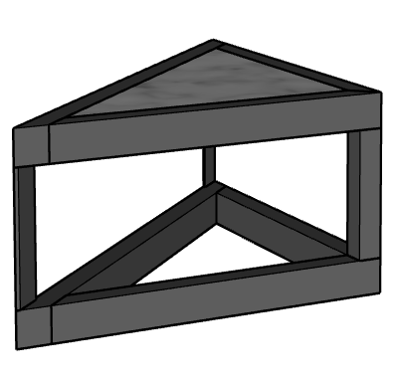 |  | MIS-TBL-32X32 | MIS-TBL-32X32.skp |  |  | 32'' | 32'' | 17'' | TRIANGLE SIDE TABLE:TRIANGLE SIDE TABLE | TRIANGLE SIDE TABLE 32" x 32" x 17" | $750.00 | $862.50 | The Triangle Side Table is an excellent choice for tight areas or for a surface to sit perfectly between two sofas. Your choice of Dekton and frame. | N/A | N/A | Y | Y | N/A |  | https://ccpatiodev2.primeview.com/product/triangle-side-table/
33 | 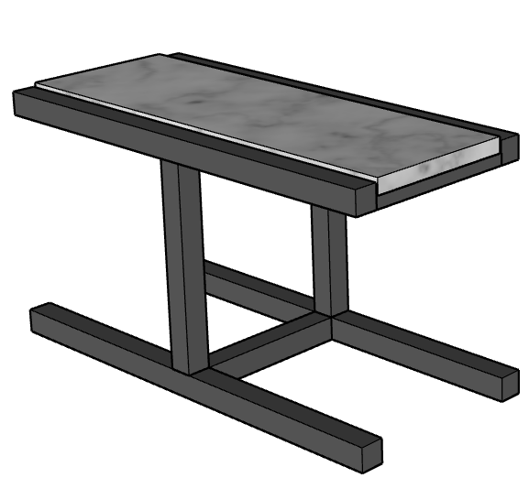 |  | MIS-TBL-13X30 | MIS-TBL-13X30.skp |  |  | 13'' | 30'' | 16'' | T TABLE:T TABLE | T TABLE 13" x 30" x 16" | $480.00 | $552.00 | Our standard T Table features your choice of Dekton and is a sleek, low profile choice to sit between two club chairs or act as a side table for a sofa. Easy to move, but extremely durable, this long lasting piece is timeless and multi-faceted. | N/A | N/A | Y | Y | N/A |  | https://ccpatiodev2.primeview.com/product/t-table/
 |  |  | MIS-TBL-13X30 | MIS-TBL-13X30.skp |  |  | 13'' | 30'' | 21'' | U SIDE TABLE:U SIDE TABLE | U SIDE TABLE 13" x 30" x 21" | $625.00 | $718.75 | This stylish and function side table slides comfortably over your chaise for drinks or personal items close at hand. Experience the beauty of Dekton surfaces customized for your aesthetic and your selection of frame color. | N/A | N/A | Y | Y | N/A |  | https://ccpatiodev2.primeview.com/product/u-side-table/
34 | 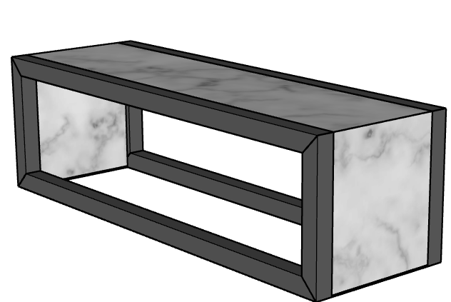 |  | WFT-TBL-13X40 | WFT-TBL-13X40.skp |  |  | 13" | 40" | 12 | WATERFALL SIDE TABLE 40"x13":WATERFALL SIDE TABLE 40"x13" | WATERFALL SIDE TABLE 40"x13" x 12" | $985.00 | $1,132.75 | Experience the enduring beauty of Dekton sufaces on all of our custom-fabricated tables. Featuring extended Dekton on either side for seamless style, this gorgeous piece will elevate any seating area. 25-year warranty on the stone and structural frame. | N/A | N/A | Y | Y | N/A |  | https://ccpatiodev2.primeview.com/product/waterfall-side-table/

 | DINING TABLES, FIRE TABLES, ETC.
35 |  |  | ESY-DNT-42X42 | ESY-DNT-42X42.skp |  |  | 42'' | 42'' | 30" | DAISY BASE ROUND TABLE (DINING HEIGHT) 42":DAISY BASE ROUND TABLE (DINING HEIGHT) 42" | DAISY BASE ROUND TABLE (DINING HEIGHT) 42" x 30" | $4,280.00 | $4,922.00 |  | Y | N/A | Y | Y | N/A |  | https://ccpatiodev2.primeview.com/product/daisy-base-round-table/
 | 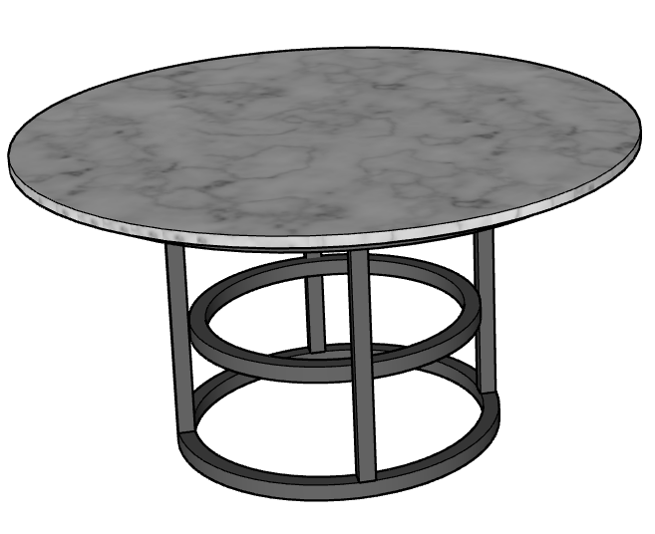 |  | ESY-DNT-42X42 | ESY-DNT-42X42.skp |  |  | 42'' | 42'' | 30" | DAISY BASE ROUND TABLE (DINING HEIGHT) 42":DAISY BASE ROUND TABLE (DINING HEIGHT) 42" | DAISY BASE ROUND TABLE (DINING HEIGHT) 56" x 30" | $4,880.00 | $5,612.00 |  | Y | N/A | Y | Y | N/A
 |  |  | ESY-DNT-108X56 | ESY-DNT-108X56.skp |  |  | 108" | 56" |  |  | DAISY BASE OVAL TABLE 108" X 56" X 30" | $7,360.00 |  |  |  |  |  |  |  |  | https://ccpatiodev2.primeview.com/product/daisy-base-oval-table/
36 |  |  | ESY-DNT-120X42 | ESY-DNT-120X42.skp |  |  | 120" | 42'' | 42" | DAISY BASE TABLE (BAR HEIGHT) 42" x 120":DAISY BASE TABLE (BAR HEIGHT) 42" x 120" | DAISY BASE TABLE (BAR HEIGHT) 42" x 120" x 42" | $7,080.00 | $8,142.00 | The Daisy Base table can be customized to accommodate all of your guests, boasting a substantial frame, designed to weather decades of outdoor use. We only use Dekton for all of our table surface, choose from a variety of gorgeous unique colors and enjoy a unique manufactured stone that is non-porous, scratch resistant and will not stain or take on heat. Backed by a 25-year manufacturer's warranty, the quality and beauty of our dining tables are unparelleled. | Y | N/A | Y | Y | N/A |  | https://ccpatiodev2.primeview.com/product/daisy-base-table/
 |  |  | ESY-DNT-72X42 | ESY-DNT-72X42.skp |  |  | 72" | 42'' | 42" | DAISY BASE TABLE (BAR HEIGHT) 42" x 72":DAISY BASE TABLE (BAR HEIGHT) 42" x 72" | DAISY BASE TABLE (BAR HEIGHT) 42" x 72" x 42" | $5,400.00 | $6,210.00
 |  |  | ESY-DNT-96X42 | ESY-DNT-96X42.skp |  |  | 96" | 42'' | 42" | DAISY BASE TABLE (BAR HEIGHT) 42" x 96":DAISY BASE TABLE (BAR HEIGHT) 42" x 96" | DAISY BASE TABLE (BAR HEIGHT) 42" x 96" x 42" | $6,240.00 | $7,176.00
 |  |  | ESY-DNT-120X56 | ESY-DNT-120X56.skp |  |  | 120" | 56'' | 42" | DAISY BASE TABLE (BAR HEIGHT) 56" x 120":DAISY BASE TABLE (BAR HEIGHT) 56" x 120" | DAISY BASE TABLE (BAR HEIGHT) 56" x 120" x 42" | $7,380.00 | $8,487.00
 |  |  | ESY-DNT-56X56 | ESY-DNT-56X56.skp |  |  | 56" | 56''' | 42" | DAISY BASE TABLE (BAR HEIGHT) 56" x 56":DAISY BASE TABLE (BAR HEIGHT) 56" x 56" | DAISY BASE TABLE (BAR HEIGHT) 56" x 56" x 42" | $4,980.00 | $5,727.00
 |  |  | ESY-DNT-72X56 | ESY-DNT-72X56.skp |  |  | 72" | 56'' | 42" | DAISY BASE TABLE (BAR HEIGHT) 56" x 72":DAISY BASE TABLE (BAR HEIGHT) 56" x 72" | DAISY BASE TABLE (BAR HEIGHT) 56" x 72" x 42" | $5,940.00 | $6,831.00
 |  |  | ESY-DNT-96X56 | ESY-DNT-96X56.skp |  |  | 96" | 56'' | 42" | DAISY BASE TABLE (BAR HEIGHT) 56" x 96":DAISY BASE TABLE (BAR HEIGHT) 56" x 96" | DAISY BASE TABLE (BAR HEIGHT) 56" x 96" x 42" | $6,660.00 | $7,659.00
 |  |  | ESY-DNT-120X42 | ESY-DNT-120X42.skp |  |  | 120" | 42'' | 36" | DAISY BASE TABLE (COUNTER HEIGHT) 42" x 120":DAISY BASE TABLE (COUNTER HEIGHT) 42" x 120" | DAISY BASE TABLE (COUNTER HEIGHT) 42" x 120" x 36" | $6,840.00 | $7,866.00
 |  |  | ESY-DNT-72X42 | ESY-DNT-72X42.skp |  |  | 72" | 42'' | 36" | DAISY BASE TABLE (COUNTER HEIGHT) 42" x 72":DAISY BASE TABLE (COUNTER HEIGHT) 42" x 72" | DAISY BASE TABLE (COUNTER HEIGHT) 42" x 72" x 36" | $5,280.00 | $6,072.00
 |  |  | ESY-DNT-96X42 | ESY-DNT-96X42.skp |  |  | 96" | 42'' | 36" | DAISY BASE TABLE (COUNTER HEIGHT) 42" x 96":DAISY BASE TABLE (COUNTER HEIGHT) 42" x 96" | DAISY BASE TABLE (COUNTER HEIGHT) 42" x 96" x 36" | $6,120.00 | $7,038.00
 |  |  | ESY-DNT-120X56 | ESY-DNT-120X56.skp |  |  | 120" | 56'' | 36" | DAISY BASE TABLE (COUNTER HEIGHT) 56" x 120":DAISY BASE TABLE (COUNTER HEIGHT) 56" x 120" | DAISY BASE TABLE (COUNTER HEIGHT) 56" x 120" x 36" | $7,260.00 | $8,349.00
 |  |  | ESY-DNT-56X56 | ESY-DNT-56X56.skp |  |  | 56" | 56'' | 36" | DAISY BASE TABLE (COUNTER HEIGHT) 56" x 56" | DAISY BASE TABLE (COUNTER HEIGHT) 56" x 56" x 36" | $4,860.00 | $5,589.00
 |  |  | ESY-DNT-72X56 | ESY-DNT-72X56.skp |  |  | 72" | 56'' | 36" | DAISY BASE TABLE (COUNTER HEIGHT) 56" x 72":DAISY BASE TABLE (COUNTER HEIGHT) 56" x 72" | DAISY BASE TABLE (COUNTER HEIGHT) 56" x 72" x 36" | $5,820.00 | $6,693.00
 |  |  | ESY-DNT-96X56 | ESY-DNT-96X56.skp |  |  | 96" | 56''' | 36" | DAISY BASE TABLE (COUNTER HEIGHT) 56" x 96":DAISY BASE TABLE (COUNTER HEIGHT) 56" x 96" | DAISY BASE TABLE (COUNTER HEIGHT) 56" x 96" x 36" | $6,540.00 | $7,521.00
 |  |  | ESY-DNT-120X42 | ESY-DNT-120X42.skp |  |  | 120" | 42'' | 30" | DAISY BASE TABLE (DINING HEIGHT) 42" x 120":DAISY BASE TABLE (DINING HEIGHT) 42" x 120" | DAISY BASE TABLE (DINING HEIGHT) 42" x 120" x 30" | $6,600.00 | $7,590.00
 |  |  | ESY-DNT-72X42 | ESY-DNT-72X42.skp |  |  | 72" | 42'' | 30" | DAISY BASE TABLE (DINING HEIGHT) 42" x 72":DAISY BASE TABLE (DINING HEIGHT) 42" x 72" | DAISY BASE TABLE (DINING HEIGHT) 42" x 72" x 30" | $5,040.00 | $5,796.00
 |  |  | ESY-DNT-96X42 | ESY-DNT-96X42.skp |  |  | 96" | 42'' | 30" | DAISY BASE TABLE (DINING HEIGHT) 42" x 96":DAISY BASE TABLE (DINING HEIGHT) 42" x 96" | DAISY BASE TABLE (DINING HEIGHT) 42" x 96" x 30" | $5,880.00 | $6,762.00
 |  |  | ESY-DNT-120X56 | ESY-DNT-120X56.skp |  |  | 120" | 56'' | 30" | DAISY BASE TABLE (DINING HEIGHT) 56" x 120":DAISY BASE TABLE (DINING HEIGHT) 56" x 120" | DAISY BASE TABLE (DINING HEIGHT) 56" x 120" x 30" | $7,080.00 | $8,142.00
 |  |  | ESY-DNT-56X56 | ESY-DNT-56X56.skp |  |  | 56" | 56'' | 30" | DAISY BASE TABLE (DINING HEIGHT) 56" x 56":DAISY BASE TABLE (DINING HEIGHT) 56" x 56" | DAISY BASE TABLE (DINING HEIGHT) 56" x 56" x 30" | $4,680.00 | $5,382.00
 |  |  | ESY-DNT-72X56 | ESY-DNT-72X56.skp |  |  | 72" | 56'' | 30" | DAISY BASE TABLE (DINING HEIGHT) 56" x 72":DAISY BASE TABLE (DINING HEIGHT) 56" x 72" | DAISY BASE TABLE (DINING HEIGHT) 56" x 72" x 30" | $5,640.00 | $6,486.00
 |  |  | ESY-DNT-96X56 | ESY-DNT-96X56.skp |  |  | 96" | 56'' | 30" | DAISY BASE TABLE (DINING HEIGHT) 56" x 96":DAISY BASE TABLE (DINING HEIGHT) 56" x 96" | DAISY BASE TABLE (DINING HEIGHT) 56" x 96" x 30" | $6,360.00 | $7,314.00
37 |  | Brooklyn | BRK-TBL-120X28 | BRK-TBL-120X28.skp |  |  | 120'' | 28'' | 42" | BROOKLYN TABLE (BAR HEIGHT) 28" x 120":BROOKLYN TABLE (BAR HEIGHT) 28" x 120" | BROOKLYN TABLE (BAR HEIGHT) 28" x 120" x 42" | $4,560.00 | $5,244.00 | The Brooklyn Table is a unique modern design, featuring a narrow frame, powdercoated with your choice of color and topped with your choice of Dekton, this piece will enhance any space, with a sleek low profile look. | Y | N/A | Y | Y | N/A |  | https://ccpatiodev2.primeview.com/product/brooklyn-table/
 |  |  | BRK-TBL-72X28 | BRK-TBL-72X28.skp |  |  | 72'' | 28'' | 42" | BROOKLYN TABLE (BAR HEIGHT) 28" x 72":BROOKLYN TABLE (BAR HEIGHT) 28" x 72" | BROOKLYN TABLE (BAR HEIGHT) 28" x 72" x 42" | $3,360.00 | $3,864.00
 |  |  | BRK-TBL-98X28 | BRK-TBL-98X28.skp |  |  | 98'' | 28'' | 42" | BROOKLYN TABLE (BAR HEIGHT) 28" x 96":BROOKLYN TABLE (BAR HEIGHT) 28" x 96" | BROOKLYN TABLE (BAR HEIGHT) 28" x 96" x 42" | $3,840.00 | $4,416.00
 |  |  | BRK-TBL-120X36 | BRK-TBL-120X36.skp |  |  | 120'' | 36'' | 42" | BROOKLYN TABLE (BAR HEIGHT) 36" x 120":BROOKLYN TABLE (BAR HEIGHT) 36" x 120" | BROOKLYN TABLE (BAR HEIGHT) 36" x 120" x 42" | $5,160.00 | $5,934.00
 |  |  | BRK-TBL-72X36 | BRK-TBL-72X36.skp |  |  | 72'' | 36'' | 42" | BROOKLYN TABLE (BAR HEIGHT) 36" x 72":BROOKLYN TABLE (BAR HEIGHT) 36" x 72" | BROOKLYN TABLE (BAR HEIGHT) 36" x 72" x 42" | $3,720.00 | $4,278.00

 |  |  | BRK-TBL-96X36 | BRK-TBL-96X36.skp |  |  | 96'' | 36'' | 42" | BROOKLYN TABLE (BAR HEIGHT) 36" x 96":BROOKLYN TABLE (BAR HEIGHT) 36" x 96" | BROOKLYN TABLE (BAR HEIGHT) 36" x 96" x 42" | $4,440.00 | $5,106.00
 |  |  | BRK-TBL-72X18 | BRK-TBL-72X18.skp |  |  | 72'' | 18'' | 36" | BROOKLYN TABLE (COUNTER HEIGHT) 18" x 72:BROOKLYN TABLE (COUNTER HEIGHT) 18" x 72 | BROOKLYN TABLE (COUNTER HEIGHT) 28" x 72 x 36" | $3,480.00 | $4,002.00
 |  |  | BRK-TBL-120X28 | BRK-TBL-120X28.skp |  |  | 120'' | 28'' | 36" | BROOKLYN TABLE (COUNTER HEIGHT) 28" x 120":BROOKLYN TABLE (COUNTER HEIGHT) 28" x 120" | BROOKLYN TABLE (COUNTER HEIGHT) 28" x 120" x 36" | $4,320.00 | $4,968.00 |  |  |  |  |  |  |  | https://ccpatiodev2.primeview.com/product/brooklyn-table/
 |  |  | BRK-TBL-72X28 | BRK-TBL-72X28.skp |  |  | 72'' | 28'' | 36" | BROOKLYN TABLE (COUNTER HEIGHT) 28" x 72":BROOKLYN TABLE (COUNTER HEIGHT) 28" x 72" | BROOKLYN TABLE (COUNTER HEIGHT) 28" x 72" x 36" | $3,120.00 | $3,588.00
 |  |  | BRK-TBL-96X28 | BRK-TBL-96X28.skp |  |  | 96'' | 28'' | 36" | BROOKLYN TABLE (COUNTER HEIGHT) 28" x 96":BROOKLYN TABLE (COUNTER HEIGHT) 28" x 96" | BROOKLYN TABLE (COUNTER HEIGHT) 28" x 96" x 36" | $3,720.00 | $4,278.00
 |  |  | BRK-TBL-120X36 | BRK-TBL-120X36.skp |  |  | 120'' | 36'' | 36" | BROOKLYN TABLE (COUNTER HEIGHT) 36" x 120":BROOKLYN TABLE (COUNTER HEIGHT) 36" x 120" | BROOKLYN TABLE (COUNTER HEIGHT) 36" x 120" x 36" | $4,920.00 | $5,658.00
 |  |  | BRK-TBL-72X36 | BRK-TBL-72X36.skp |  |  | 72'' | 36" | 36" | BROOKLYN TABLE (COUNTER HEIGHT) 36" x 72":BROOKLYN TABLE (COUNTER HEIGHT) 36" x 72" | BROOKLYN TABLE (COUNTER HEIGHT) 36" x 72" x 36" | $3,480.00 | $4,002.00
 |  |  | BRK-TBL-96X36 | BRK-TBL-96X36.skp |  |  | 96'' | 36" | 36" | BROOKLYN TABLE (COUNTER HEIGHT) 36" x 96":BROOKLYN TABLE (COUNTER HEIGHT) 36" x 96" | BROOKLYN TABLE (COUNTER HEIGHT) 36" x 96" x 36" | $4,200.00 | $4,830.00
 |  |  | BRK-TBL-120X28 | BRK-TBL-120X28.skp |  |  | 120" | 28" | 30" | BROOKLYN TABLE (DINING HEIGHT) 28" x 120":BROOKLYN TABLE (DINING HEIGHT) 28" x 120" | BROOKLYN TABLE (DINING HEIGHT) 28" x 120" x 30" | $4,080.00 | $4,692.00
 |  |  | BRK-TBL-72X28 | BRK-TBL-72X28.skp |  |  | 72" | 28" | 30" | BROOKLYN TABLE (DINING HEIGHT) 28" x 72":BROOKLYN TABLE (DINING HEIGHT) 28" x 72" | BROOKLYN TABLE (DINING HEIGHT) 28" x 72" x 30" | $2,880.00 | $3,312.00
 |  |  | BRK-TBL-96X28 | BRK-TBL-96X28.skp |  |  | 96" | 28" | 30" | BROOKLYN TABLE (DINING HEIGHT) 28" x 96":BROOKLYN TABLE (DINING HEIGHT) 28" x 96" | BROOKLYN TABLE (DINING HEIGHT) 28" x 96" x 30" | $3,480.00 | $4,002.00
 |  |  | BRK-TBL-120X36 | BRK-TBL-120X36.skp |  |  | 120" | 36" | 30" | BROOKLYN TABLE (DINING HEIGHT) 36" x 120":BROOKLYN TABLE (DINING HEIGHT) 36" x 120" | BROOKLYN TABLE (DINING HEIGHT) 36" x 120" x 30" | $4,680.00 | $5,382.00
 |  |  | BRK-TBL-72X36 | BRK-TBL-72X36.skp |  |  | 72" | 36" | 30" | BROOKLYN TABLE (DINING HEIGHT) 36" x 72":BROOKLYN TABLE (DINING HEIGHT) 36" x 72" | BROOKLYN TABLE (DINING HEIGHT) 36" x 72" x 30" | $3,240.00 | $3,726.00
 |  |  | BRK-TBL-96X36 | BRK-TBL-96X36.skp |  |  | 96" | 36" | 30" | BROOKLYN TABLE (DINING HEIGHT) 36" x 96":BROOKLYN TABLE (DINING HEIGHT) 36" x 96" | BROOKLYN TABLE (DINING HEIGHT) 36" x 96" x 30" | $3,960.00 | $4,554.00
38 |  |  | MIS-TBL-36X36 | MIS-TBL-36X36.skp |  |  | 36'' | 36'' | 42" | STAR LEG TABLE (BAR HEIGHT) 36" x 36":STAR LEG TABLE (BAR HEIGHT) 36" x 36" | STAR LEG TABLE (BAR HEIGHT) 36" x 36" x 42" | $3,000.00 | $3,450.00 | Enjoy a classic dining option with our square star leg table. Various heights available, this table is perfect for smaller areas and can feature 2 barstools or 4 dining chairs. Select a beautiful Dekton Surface for exceptional quality and longevity. | Y | N/A | Y | Y | N/A |  | https://ccpatiodev2.primeview.com/product/star-leg-table/
 |  |  | MIS-TBL-72X36 | MIS-TBL-72X36.skp |  |  | 72'' | 36'' | 42" | STAR LEG TABLE (BAR HEIGHT) 36" x 72":STAR LEG TABLE (BAR HEIGHT) 36" x 72" | STAR LEG TABLE (BAR HEIGHT) 36" x 72" x 42" | $4,440.00 | $5,106.00
 |  |  | MIS-TBL-42X42 | MIS-TBL-42X42.skp |  |  | 42'' | 42'' | 42" | STAR LEG TABLE (BAR HEIGHT) 42" x 42":STAR LEG TABLE (BAR HEIGHT) 42" x 42" | STAR LEG TABLE (BAR HEIGHT) 42" x 42" x 42" | $3,120.00 | $3,588.00
 |  |  | MIS-TBL-36X36 | MIS-TBL-36X36.skp |  |  | 36'' | 36'' | 36" | STAR LEG TABLE (COUNTER HEIGHT) 36" x 36":STAR LEG TABLE (COUNTER HEIGHT) 36" x 36" | STAR LEG TABLE (COUNTER HEIGHT) 36" x 36" x 36" | $2,940.00 | $3,381.00
 |  |  | MIS-TBL-72X36 | MIS-TBL-72X36.skp |  |  | 72'' | 36'' | 36" | STAR LEG TABLE (COUNTER HEIGHT) 36" x 72":STAR LEG TABLE (COUNTER HEIGHT) 36" x 72" | STAR LEG TABLE (COUNTER HEIGHT) 36" x 72" x 36" | $4,320.00 | $4,968.00
 |  |  | MIS-TBL-42X42 | MIS-TBL-42X42.skp |  |  | 42'' | 42'' | 36" | STAR LEG TABLE (COUNTER HEIGHT) 42" x 42":STAR LEG TABLE (COUNTER HEIGHT) 42" x 42" | STAR LEG TABLE (COUNTER HEIGHT) 42" x 42" x 36" | $3,060.00 | $3,519.00
 |  |  | MIS-TBL-36X36 | MIS-TBL-36X36.skp |  |  | 36'' | 36'' | 30" | STAR LEG TABLE (DINING HEIGHT) 36" x 36":STAR LEG TABLE (DINING HEIGHT) 36" x 36" | STAR LEG TABLE (DINING HEIGHT) 36" x 36" x 30" | $2,880.00 | $3,312.00
 |  |  | MIS-TBL-72X36 | MIS-TBL-72X36.skp |  |  | 72'' | 36'' | 30" | STAR LEG TABLE (DINING HEIGHT) 36" x 72":STAR LEG TABLE (DINING HEIGHT) 36" x 72" | STAR LEG TABLE (DINING HEIGHT) 36" x 72" x 30" | $4,200.00 | $4,830.00
 |  |  | MIS-TBL-42X42 | MIS-TBL-42X42.skp |  |  | 42'' | 42'' | 30" | STAR LEG TABLE (DINING HEIGHT) 42" x 42":STAR LEG TABLE (DINING HEIGHT) 42" x 42" | STAR LEG TABLE (DINING HEIGHT) 42" x 42" x 30" | $3,000.00 | $3,450.00
39 |  |  | WFT-TBL-120X28 | WFT-TBL-120X28.skp |  |  | 120" | 28'' | 42" | WATERFALL TABLE (BAR HEIGHT) 28" x 120":WATERFALL TABLE (BAR HEIGHT) 28" x 120" | WATERFALL TABLE (BAR HEIGHT) 28" x 120" x 42" | $7,440.00 | $8,556.00 | The waterfall table is a unique and stunning addition to your outdoor furniture, featuring Dekton surfaces, flowing seamlessly from the top to the sides. This piece has an absolute "wow" factor, perfect as an addition to your outdoor kitchen or bar, with a narrow profile, it is pefectly accentuated by our flyleg barstools or a full back Taylor stool. *Waterfall Disclosure | Y | N/A | Y | Y | N/A |  | https://ccpatiodev2.primeview.com/product/waterfall-table/
 |  |  | WFT-TBL-72X28 | WFT-TBL-72X28.skp |  |  | 72" | 28'' | 42" | WATERFALL TABLE (BAR HEIGHT) 28" x 72":WATERFALL TABLE (BAR HEIGHT) 28" x 72" | WATERFALL TABLE (BAR HEIGHT) 28" x 72" x 42" | $6,000.00 | $6,900.00
 |  |  | WFT-TBL-96X28 | WFT-TBL-96X28.skp |  |  | 96" | 28'' | 42" | WATERFALL TABLE (BAR HEIGHT) 28" x 96":WATERFALL TABLE (BAR HEIGHT) 28" x 96" | WATERFALL TABLE (BAR HEIGHT) 28" x 96" x 42" | $6,720.00 | $7,728.00
 |  |  | WFT-TBL-120X36 | WFT-TBL-120X36.skp |  |  | 120" | 36'' | 42" | WATERFALL TABLE (BAR HEIGHT) 36" x 120":WATERFALL TABLE (BAR HEIGHT) 36" x 120" | WATERFALL TABLE (BAR HEIGHT) 36" x 120" x 42" | $7,800.00 | $8,970.00
 |  |  | WFT-TBL-72X36 | WFT-TBL-72X36.skp |  |  | 72" | 36'' | 42" | WATERFALL TABLE (BAR HEIGHT) 36" x 72":WATERFALL TABLE (BAR HEIGHT) 36" x 72" | WATERFALL TABLE (BAR HEIGHT) 36" x 72" x 42" | $6,360.00 | $7,314.00
 |  |  | WFT-TBL-96X36 | WFT-TBL-96X36.skp |  |  | 96" | 36'' | 42" | WATERFALL TABLE (BAR HEIGHT) 36" x 96":WATERFALL TABLE (BAR HEIGHT) 36" x 96" | WATERFALL TABLE (BAR HEIGHT) 36" x 96" x 42" | $7,080.00 | $8,142.00
 |  |  | WFT-TBL-120X28 | WFT-TBL-120X28.skp |  |  | 120" | 28'' | 36" | WATERFALL TABLE (COUNTER HEIGHT) 28" x 120":WATERFALL TABLE (COUNTER HEIGHT) 28" x 120" | WATERFALL TABLE (COUNTER HEIGHT) 28" x 120" x 36" | $7,200.00 | $8,280.00
 |  |  | WFT-TBL-72X28 | WFT-TBL-72X28.skp |  |  | 72" | 28'' | 36" | WATERFALL TABLE (COUNTER HEIGHT) 28" x 72":WATERFALL TABLE (COUNTER HEIGHT) 28" x 72" | WATERFALL TABLE (COUNTER HEIGHT) 28" x 72" x 36" | $5,760.00 | $6,624.00
 |  |  | WFT-TBL-96X28 | WFT-TBL-96X28.skp |  |  | 96" | 28'' | 36" | WATERFALL TABLE (COUNTER HEIGHT) 28" x 96":WATERFALL TABLE (COUNTER HEIGHT) 28" x 96" | WATERFALL TABLE (COUNTER HEIGHT) 28" x 96" x 36" | $6,480.00 | $7,452.00
 |  |  | WFT-TBL-120X36 | WFT-TBL-120X36.skp |  |  | 120" | 36'' | 36" | WATERFALL TABLE (COUNTER HEIGHT) 36" x 120":WATERFALL TABLE (COUNTER HEIGHT) 36" x 120" | WATERFALL TABLE (COUNTER HEIGHT) 36" x 120" x 36" | $7,560.00 | $8,694.00
 |  |  | WFT-TBL-72X36 | WFT-TBL-72X36.skp |  |  | 72" | 36'' | 36" | WATERFALL TABLE (COUNTER HEIGHT) 36" x 72":WATERFALL TABLE (COUNTER HEIGHT) 36" x 72" | WATERFALL TABLE (COUNTER HEIGHT) 36" x 72" x 36" | $6,120.00 | $7,038.00
 |  |  | WFT-TBL-96X36 | WFT-TBL-96X36.skp |  |  | 96" | 36'' | 36" | WATERFALL TABLE (COUNTER HEIGHT) 36" x 96":WATERFALL TABLE (COUNTER HEIGHT) 36" x 96" | WATERFALL TABLE (COUNTER HEIGHT) 36" x 96" x 36" | $6,840.00 | $7,866.00
 |  |  | WFT-TBL-120X28 | WFT-TBL-120X28.skp |  |  | 120" | 28'' | 30" | WATERFALL TABLE (DINING HEIGHT) 28" x 120":WATERFALL TABLE (DINING HEIGHT) 28" x 120" | WATERFALL TABLE (DINING HEIGHT) 28" x 120" x 30" | $6,960.00 | $8,004.00
 |  |  | WFT-TBL-72X28 | WFT-TBL-72X28.skp |  |  | 72" | 28'' | 30" | WATERFALL TABLE (DINING HEIGHT) 28" x 72":WATERFALL TABLE (DINING HEIGHT) 28" x 72" | WATERFALL TABLE (DINING HEIGHT) 28" x 72" x 30" | $5,520.00 | $6,348.00
 |  |  | WFT-TBL-96X28 | WFT-TBL-96X28.skp |  |  | 96" | 28'' | 30" | WATERFALL TABLE (DINING HEIGHT) 28" x 96":WATERFALL TABLE (DINING HEIGHT) 28" x 96" | WATERFALL TABLE (DINING HEIGHT) 28" x 96" x 30" | $6,240.00 | $7,176.00
 |  |  | WFT-TBL-120X36 | WFT-TBL-120X36.skp |  |  | 120" | 36'' | 30" | WATERFALL TABLE (DINING HEIGHT) 36" x 120":WATERFALL TABLE (DINING HEIGHT) 36" x 120" | WATERFALL TABLE (DINING HEIGHT) 36" x 120" x 30" | $7,320.00 | $8,418.00
 |  |  | WFT-TBL-72X36 | WFT-TBL-72X36.skp |  |  | 72" | 36'' | 30" | WATERFALL TABLE (DINING HEIGHT) 36" x 72":WATERFALL TABLE (DINING HEIGHT) 36" x 72" | WATERFALL TABLE (DINING HEIGHT) 36" x 72" x 30" | $5,880.00 | $6,762.00
 |  |  | WFT-TBL-96X36 | WFT-TBL-96X36.skp |  |  | 96" | 36'' | 30" | WATERFALL TABLE (DINING HEIGHT) 36" x 96":WATERFALL TABLE (DINING HEIGHT) 36" x 96" | WATERFALL TABLE (DINING HEIGHT) 36" x 96" x 30" | $6,600.00 | $7,590.00
40 |  |  | ESY-DNT-84X56 | ESY-DNT-84X56.skp |  |  | 84'' | 56'' | 30'' | DAISY BASE FIRE PIT DINING TABLE 84" x 56":DAISY BASE FIRE PIT DINING TABLE 84" x 56" | DAISY BASE FIRE PIT DINING TABLE 84" x 56" x 30" | $8,500.00 | $9,775.00 | Our Custom Daisy Base Table features a sturdy frame with propane cabinet or opt for natural gas. HPC burner is inset in gorgeous Dekton Tabletop. Excellent for gathering around an open flame, this showstopper can be fully customized and paired with bench seating or chairs for the perfect Entertainment piece. | Y | N/A | Y | Y | N/A | PROPANE OR GAS | https://ccpatiodev2.primeview.com/product/daisy-base-fire-pit-dining-table/
 |  |  | ESY-DNT-96X56 | ESY-DNT-96X56.skp |  |  | 96" | 56'' | 30'' | DAISY BASE FIRE PIT DINING TABLE 96" x 56":DAISY BASE FIRE PIT DINING TABLE 96" x 56" | DAISY BASE FIRE PIT DINING TABLE 96" x 56" x 30" | $8,800.00 | $10,120.00
41 |  |  | ESY-TBL-42X42 | ESY-TBL-42X42.skp |  |  | 42" | 42'' | 21'' | DAISY BASE FIRE PIT TABLE 42" x 42":DAISY BASE FIRE PIT TABLE 42" x 42" | PROPANE FIRE PIT TABLE 56" x 42" x 21" | $6,200.00 | $7,130.00 | Experience the warmth and glow of a truly unique and functional piece, featuring HPC burners inset in custom fabricated Dekton. Featuring a powder-coated cabinet to house your propane tank, enjoy evenings with a warm flame around this stunning piece that can be placed anywhere and operates with a standard propane tank. | N/A | N/A | Y | Y | N/A | PROPANE OR GAS | https://ccpatiodev2.primeview.com/product/propane-fire-pit-table/
 |  |  | MIS-TBL-42X42 | MIS-TBL-42X42.skp |  |  | 42'' | 42'' | 21'' | PROPANE FIRE PIT TABLE 42" x 42":PROPANE FIRE PIT TABLE 42" x 42" | PROPANE FIRE PIT TABLE 42" x 42" x 21" | $4,800.00 | $5,520.00
42 |  |  | WFT-TBL-56X36 | WFT-TBL-56X36.skp |  |  | 56'' | 36'' | 16'' | WATERFALL FIRE PIT TABLE 56" x 36":WATERFALL FIRE PIT TABLE 56" x 36" | WATERFALL FIRE PIT TABLE 56" x 36" x 16" | $5,980.00 | $6,877.00 | This gorgeous statement piece features a solid steel cabinet, powdercoated with your choice of 6 colors and skinned with beautiful seamless Dekton across the top and sides. This can be configured for propane or natural gas, with HPC burners and options including smart phone app operation and colored flames. Experience a luxurious fireside, built to last for decades of timeless beauty. | N/A | N/A | Y | Y | N/A | PROPANE OR GAS | https://ccpatiodev2.primeview.com/product/waterfall-fire-pit-table/
 |  |  | WFT-TBL-72X36 | WFT-TBL-72X36.skp |  |  | 72'' | 36'' | 18'' | WATERFALL FIRE PIT TABLE 72" x 36":WATERFALL FIRE PIT TABLE 72" x 36" | WATERFALL FIRE PIT TABLE 72" x 36" x 16" | $6,980.00 | $8,027.00 |  | N/A | N/A | Y | Y | N/A | PROPANE OR GAS

 | DINING CHAIRS, BENCHES & STOOLS
43 |  |  | MIS-BCH-72X22 | MIS-BCH-72X22.skp |  | 18'' | 72" | 22'' |  | DINING BENCH w/NO ARMS 72" x 22":DINING BENCH w/NO ARMS 72" x 22" | DINING BENCH w/NO ARMS 72" x 22" x 18" SH | $1,950.00 | $2,242.50 |  |  |  |  |  |  |  | https://ccpatiodev2.primeview.com/product/dining-bench-w-no-arms/
 |  |  | MIS-BCH-96X22 | MIS-BCH-96X22.skp |  | 18'' | 96" | 22'' |  | DINING BENCH w/NO ARMS 96" x 22":DINING BENCH w/NO ARMS 96" x 22" | DINING BENCH w/NO ARMS 96" x 22" x 18" SH | $2,400.00 | $2,760.00 | Choose a sleek dining bench for more seating, elevated with your selection of premium finishes. Stylish, clean steel frame, powdercoated and firm cushion with your choice of Sunbrella or Ultraleather. Customize to fit your desired seating perfectly. | N/A | Y | Y | N/A | N/A
44 |  |  | MIS-BST-18X18 | MIS-BST-18X18.skp |  | 30'' | 18'' | 18''' | 30'' | FLY LEG BARSTOOL (BAR HEIGHT):FLY LEG BARSTOOL (BAR HEIGHT) | FLY LEG BARSTOOL (BAR HEIGHT) 18" x 18" x 30" SH | $810.00 | $931.50 | The fly leg barstool is low profile and classic seating with a strong steel frame, footrest and comfortable seat cushion. Dining, Counter, Bar height or any custom height available. Opt for a half-back or full back in a simliar style with our Taylor barstool. | Y | Y | Y | N/A | N/A |  | https://ccpatiodev2.primeview.com/product/fly-leg-barstool/
 |  |  | MIS-BST-18X18 | MIS-BST-18X18.skp |  | 24'' | 18'' | 18'' | 24'' | FLY LEG BARSTOOL (COUNTER HEIGHT):FLY LEG BARSTOOL (COUNTER HEIGHT) | FLY LEG BARSTOOL (COUNTER HEIGHT) 18" x 18" x 24" SH | $780.00 | $897.00
 |  |  | MIS-BCH-42X18 | MIS-BCH-42X18.skp |  | 30" | 42'' | 18'' | 30" | FLY LEG BENCH (BAR HEIGHT) 42":FLY LEG BENCH (BAR HEIGHT) 42" | FLY LEG BENCH (BAR HEIGHT) 42" x 18" x 30" SH | $1,440.00 | $1,656.00 |  |  |  |  |  |  |  | https://ccpatiodev2.primeview.com/product/fly-leg-bench/
 |  |  | MIS-BCH-42X18 | MIS-BCH-42X18.skp |  | 24" | 42'' | 18'' | 24" | FLY LEG BENCH (COUNTER HEIGHT) 42":FLY LEG BENCH (COUNTER HEIGHT) 42" | FLY LEG BENCH (COUNTER HEIGHT) 42" x 18" x 24" SH | $1,380.00 | $1,587.00
45 | 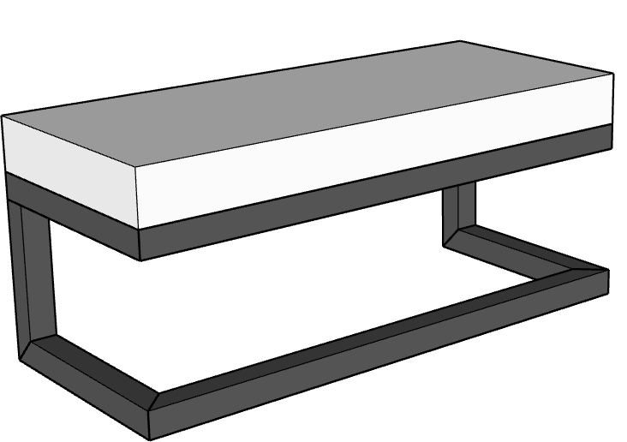 |  | MIS-BCH-42X18 | MIS-BCH-42X18.skp |  | 18" | 42'' | 18'' | 18" | FLY LEG BENCH (DINING HEIGHT) 42":FLY LEG BENCH (DINING HEIGHT) 42" | FLY LEG BENCH (DINING HEIGHT) 42" x 18" x 18" SH | $1,320.00 | $1,518.00 | This bench features a low-profile, comfortable solution for designer seating, with your choice of Sunbrella fabrics and frame to match. | N/A | Y | Y | N/A | N/A
 |  |  | MIS-MIS-18X18 | MIS-MIS-18X18.skp |  | 18" | 18'' | 18'' | 18" | FLY LEG CHAIR (DINING HEIGHT):FLY LEG CHAIR (DINING HEIGHT) | FLY LEG CHAIR (DINING HEIGHT) 18" x 18" x 18" SH | $750.00 | $862.50 |  |  |  |  |  |  |  | https://ccpatiodev2.primeview.com/product/fly-leg-chair/
46 |  |  | MIS-BST-17X21 | MIS-BST-17X21.skp |  | 30" | 17'' | 21'' | 39'' | HALF BACK BARSTOOL (BAR HEIGHT):HALF BACK BARSTOOL (BAR HEIGHT) | HALF BACK BARSTOOL (BAR HEIGHT) 17" x 21" x 30" SH | $830.00 | $954.50 | The Half Back barstool is a stylish and comfortable seating option that can be custom made with your preferred height. | Y | Y | Y | N/A | N/A | Arms | https://ccpatiodev2.primeview.com/product/half-back-barstool/
 |  |  | MIS-BST-17X21 | MIS-BST-17X21.skp |  | 24'' | 17'' | 21'' | 33''' | HALF BACK BARSTOOL (COUNTER HEIGHT):HALF BACK BARSTOOL (COUNTER HEIGHT) | HALF BACK BARSTOOL (COUNTER HEIGHT) 17" x 21" x 24" SH | $800.00 | $920.00
 |  |  | MIS-MIS-17X21 | MIS-MIS-17X21.skp |  | 18'' | 17'' | 21'' | 27'' | HALF BACK CHAIR (DINING HEIGHT:HALF BACK CHAIR (DINING HEIGHT | HALF BACK CHAIR (DINING HEIGHT 17" x 21" x 18" SH | $770.00 | $885.50
 |  |  | TAY-BST-19X23 | TAY-BST-19X23.skp |  | 30'' | 19'' | 23'' | 45'' | TAYLOR BARSTOOL (BAR HEIGHT):TAYLOR BARSTOOL (BAR HEIGHT) | TAYLOR BARSTOOL (BAR HEIGHT) 19" x 23" x 30" SH | $855.00 | $983.25 |  |  |  |  |  |  |  | https://ccpatiodev2.primeview.com/product/taylor-barstool/
 |  |  | TAY-BST-18X23 | TAY-BST-18X23.skp |  | 24'' | 18'' | 23'' | 39'' | TAYLOR BARSTOOL (COUNTER HEIGHT):TAYLOR BARSTOOL (COUNTER HEIGHT) | TAYLOR BARSTOOL (COUNTER HEIGHT) 19" x 23" x 24" SH | $825.00 | $948.75
 |  |  | TAY-BST-24X23 | TAY-BST-24X23.skp | 35'' | 30'' | 24'' | 23'' | 45'' | TAYLOR BARSTOOL w/ARMS (BAR HEIGHT):TAYLOR BARSTOOL w/ARMS (BAR HEIGHT) | TAYLOR BARSTOOL w/ARMS (BAR HEIGHT) 24" x 23" x 30" SH | $955.00 | $1,098.25 |  |  |  |  |  |  |  | https://ccpatiodev2.primeview.com/product/taylor-barstool-w-arms/
 |  |  | TAY-BST-24X23 | TAY-BST-24X23.skp | 29'' | 24'' | 24'' | 23'' | 39'' | TAYLOR BARSTOOL w/ARMS (COUNTER HEIGHT):TAYLOR BARSTOOL w/ARMS (COUNTER HEIGHT) | TAYLOR BARSTOOL w/ARMS (COUNTER HEIGHT) 24" x 23" x 24" SH | $925.00 | $1,063.75
 |  |  | TAY-BCH-24X23 | TAY-BCH-24X23.skp | 23'' | 18'' | 24'' | 23'' | 33'' | TAYLOR BENCH (BAR HEIGHT) 42":TAYLOR BENCH (BAR HEIGHT) 42" | TAYLOR BENCH (BAR HEIGHT) 24" x 23" x 42" SH | $1,980.00 | $2,277.00 |  |  |  |  |  |  |  | https://ccpatiodev2.primeview.com/product/taylor-bench/
47 | 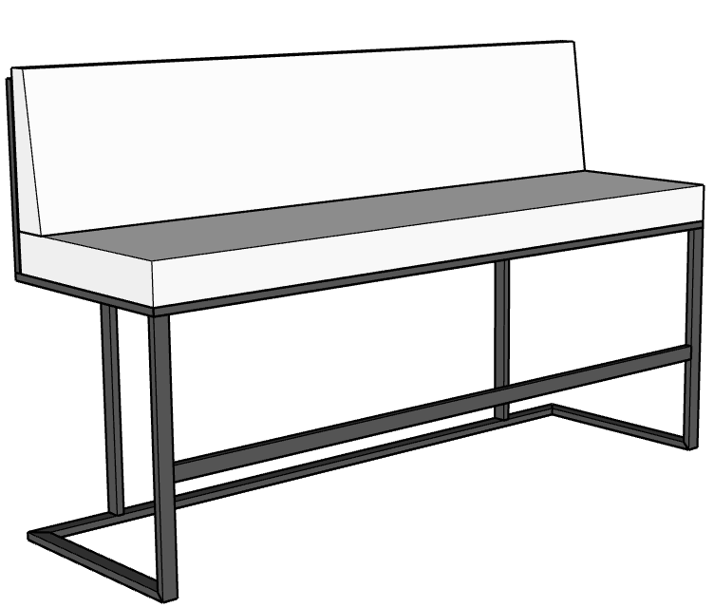 |  | TAY-BCH-72X23 | TAY-BCH-72X23.skp |  | 30'' | 72'' | 23''' | 45'' | TAYLOR BENCH (BAR HEIGHT) 72":TAYLOR BENCH (BAR HEIGHT) 72" | TAYLOR BENCH (BAR HEIGHT) 72" x 23" x 30" SH | $2,580.00 | $2,967.00 | Maximize your dining space with the Taylor bench, sleek and stylish, experience the comfort of a full backed bench that can seat multiple individuals, while maintaining classic elegance. | Y | Y | Y | N/A | N/A | Arms
 |  |  | TAY-BCH-42X23 | TAY-BCH-42X23.skp |  | 24'' | 42'' | 23'' | 39'' | TAYLOR BENCH (COUNTER HEIGHT) 42":TAYLOR BENCH (COUNTER HEIGHT) 42" | TAYLOR BENCH (COUNTER HEIGHT) 42" x 23" x 24" SH | $1,860.00 | $2,139.00
 |  |  | TAY-BCH-72X23 | TAY-BCH-72X23.skp |  | 24'' | 72'' | 23'' | 39'' | TAYLOR BENCH (COUNTER HEIGHT) 72":TAYLOR BENCH (COUNTER HEIGHT) 72" | TAYLOR BENCH (COUNTER HEIGHT) 72" x 23" x 24" SH | $2,460.00 | $2,829.00
 |  |  | TAY-BCH-42X23 | TAY-BCH-42X23.skp |  | 18'' | 42'' | 23'' | 33'' | TAYLOR BENCH (DINING HEIGHT) 42":TAYLOR BENCH (DINING HEIGHT) 42" | TAYLOR BENCH (DINING HEIGHT) 42" x 23" x 18" SH | $1,740.00 | $2,001.00
 |  |  | TAY-BCH-72X23 | TAY-BCH-72X23.skp |  | 18'' | 72'' | 23'' | 33'' | TAYLOR BENCH (DINING HEIGHT) 72":TAYLOR BENCH (DINING HEIGHT) 72" | TAYLOR BENCH (DINING HEIGHT) 72" x 23" x 18" SH | $2,340.00 | $2,691.00
48 |  |  | TAY-MIS-19X23 | TAY-MIS-19X23.skp |  | 18'' | 19'' | 23'' | 33'' | TAYLOR CHAIR (DINING HEIGHT):TAYLOR CHAIR (DINING HEIGHT) | TAYLOR CHAIR (DINING HEIGHT) 19" x 23" x 18" SH | $795.00 | $914.25 | Our dining chair is a substantial piece, featuring thick seat and back cushion, for the ultimate comfort in dining. Arms are optional. | Y | Y | Y | N/A | N/A | Arms | https://ccpatiodev2.primeview.com/product/taylor-chair/
 |  |  | TAY-MIS-24X23 | TAY-MIS-24X23.skp | 23'' | 18'' | 24'' | 23'' | 33'' | TAYLOR CHAIR w/ARMS (DINING HEIGHT):TAYLOR CHAIR w/ARMS (DINING HEIGHT) | TAYLOR CHAIR w/ARMS (DINING HEIGHT) 24" x 23" x 18" SH | $895.00 | $1,029.25 | Add arms to CC Patio's customized dining chair with comfortable back and seat cushion, designed for longterm durability and style. | Y | Y | Y | N/A | N/A |  | https://ccpatiodev2.primeview.com/product/taylor-chair-w-arms/
49 |  |  | BRV-BCH-96X34 | BRV-BCH-96X34.skp |  |  | 96" | 34" |  |  | BRAVADA ROUNDED BENCH 96" X 34" 18" SH | $2,900.00 |  |  |  |  |  |  |  |  | https://ccpatiodev2.primeview.com/product/bravada-rounded-bench/
 |  |  | BRV-BCH-96X34 | BRV-BCH-96X34.skp |  |  | 96" | 34" |  |  | BRAVADA ROUNDED BACKED BENCH 96" X 34" X 18" SH | $3,400 |  |  |  |  |  |  |  |  | https://ccpatiodev2.primeview.com/product/bravada-rounded-backed-bench/

 | OTTOMANS
50 | 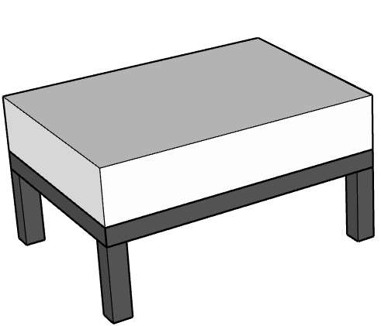 | Bravada | BRV-OTT-30X22 | BRV-OTT-30X22.skp |  | 16'' | 30" | 22'' |  | BRAVADA OTTOMAN 22" x 30":BRAVADA OTTOMAN 22" x 30" | BRAVADA OTTOMAN 22" x 30" x 16" | $750.00 | $862.50 |  | N/A | Y | Y | N/A | N/A |  | https://ccpatiodev2.primeview.com/product/bravada-ottoman/
 |  | Bravada | BRV-OTT-42X22 | BRV-OTT-42X22.skp |  | 16'' | 42" | 22'' |  | BRAVADA OTTOMAN 22" x 42":BRAVADA OTTOMAN 22" x 42" | BRAVADA OTTOMAN 22" x 42" x 16" | $850.00 | $977.50
 |  | Bravada | BRV-OTT-60X22 | BRV-OTT-60X22.skp |  | 16'' | 60" | 22'' |  | BRAVADA OTTOMAN 22" x 60":BRAVADA OTTOMAN 22" x 60" | BRAVADA OTTOMAN 22" x 60" x 16" | $980.00 | $1,127.00
 |  | Bravada | BRV-OTT-72X22 | BRV-OTT-72X22.skp |  | 16'' | 72" | 22'' |  | BRAVADA OTTOMAN 22" x 72":BRAVADA OTTOMAN 22" x 72" | BRAVADA OTTOMAN 22" x 72" x 16" | $1,180.00 | $1,357.00
 |  | Bravada | BRV-OTT-34X34 | BRV-OTT-34X34.skp |  | 16'' | 34" | 34'' |  | BRAVADA OTTOMAN 34" x 34":BRAVADA OTTOMAN 34" x 34" | BRAVADA OTTOMAN 34" x 34" x 16" | $1,060.00 | $1,219.00
 |  | Bravada | BRV-OTT-42X34 | BRV-OTT-42X34.skp |  | 16'' | 42" | 34'' |  | BRAVADA OTTOMAN 34" x 42":BRAVADA OTTOMAN 34" x 42" | BRAVADA OTTOMAN 34" x 42" x 16" | $1,260.00 | $1,449.00
 |  | Bravada | BRV-OTT-60X34 | BRV-OTT-60X34.skp |  | 16'' | 60" | 34'' |  | BRAVADA OTTOMAN 34" x 60":BRAVADA OTTOMAN 34" x 60" | BRAVADA OTTOMAN 34" x 60" x 16" | $1,500.00 | $1,725.00
 |  | Bravada | BRV-OTT-72X34 | BRV-OTT-72X34.skp |  | 16'' | 72" | 34'' |  | BRAVADA OTTOMAN 34" x 72":BRAVADA OTTOMAN 34" x 72" | BRAVADA OTTOMAN 34" x 72" x 16" | $1,700.00 | $1,955.00
51 |  | BROOKLYN | BRK-OTT-42X22 | BRK-OTT-42X22.skp |  | 17'' | 42" | 22'' |  | BROOKLYN OTTOMAN 22" x 42":BROOKLYN OTTOMAN 22" x 42" | BROOKLYN OTTOMAN 22" x 42" x 17" | $935.00 | $1,075.25 | This substantial ottoman features a thicker cushion, for incredible design and comfort | N/A | Y | Y | N/A | N/A |  | https://ccpatiodev2.primeview.com/product/brooklyn-ottoman/
 |  | BROOKLYN | BRK-OTT-60X22 | BRK-OTT-60X22.skp |  | 17'' | 60" | 22'' |  | BROOKLYN OTTOMAN 22" x 60":BROOKLYN OTTOMAN 22" x 60" | BROOKLYN OTTOMAN 22" x 60" x 17" | $1,080.00 | $1,242.00
 |  | BROOKLYN | BRK-OTT-72X22 | BRK-OTT-72X22.skp |  | 17'' | 72" | 22'' |  | BROOKLYN OTTOMAN 22" x 72":BROOKLYN OTTOMAN 22" x 72" | BROOKLYN OTTOMAN 22" x 72" x 17" | $1,300.00 | $1,495.00
 |  | Brooklyn | BRK-OTT-34X34 | BRK-OTT-34X34.skp |  | 17'' | 34" | 34'' |  | BROOKLYN OTTOMAN 34" x 34":BROOKLYN OTTOMAN 34" x 34" | BROOKLYN OTTOMAN 34" x 34" x 17" | $1,180.00 | $1,357.00
 |  | Brooklyn | BRK-OTT-42X34 | BRK-OTT-42X34.skp |  | 17'' | 42" | 34'' |  | BROOKLYN OTTOMAN 34" x 42":BROOKLYN OTTOMAN 34" x 42" | BROOKLYN OTTOMAN 34" x 42" x 17" | $1,380.00 | $1,587.00
 |  | Brooklyn | BRK-OTT-60X34 | BRK-OTT-60X34.skp |  | 17'' | 60" | 34'' |  | BROOKLYN OTTOMAN 34" x 60":BROOKLYN OTTOMAN 34" x 60" | BROOKLYN OTTOMAN 34" x 60" x 17" | $1,650.00 | $1,897.50
 |  | Brooklyn | BRK-OTT-72X34 | BRK-OTT-72X34.skp |  | 17'' | 72" | 34'' |  | BROOKLYN OTTOMAN 34" x 72":BROOKLYN OTTOMAN 34" x 72" | BROOKLYN OTTOMAN 34" x 72" x 17" | $1,900.00 | $2,185.00
 |  | Brooklyn | BRK-OTT-56X42 | BRK-OTT-56X42.skp |  | 17'' | 56" | 42" |  | BROOKLYN OTTOMAN 56"x 42":BROOKLYN OTTOMAN 56"x 42" | BROOKLYN OTTOMAN 56"x 42" x 17" | $1,740.00 | $2,001.00
52 | 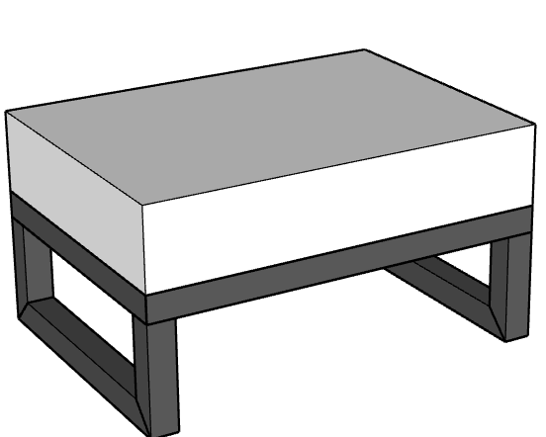 | Ocean | OCN-OTT-30X22 | OCN-OTT-30X22.skp |  | 16'' | 30" | 22'' |  | OCEAN OTTOMAN 30" x 22":OCEAN OTTOMAN 30" x 22" | OCEAN OTTOMAN 30" x 22" x 16" | $780.00 | $897.00 | The Ocean Ottoman is sleek and functional, customized to match your seating with designer fabrics and frame options. | N/A | Y | Y | N/A | N/A |  | https://ccpatiodev2.primeview.com/product/ocean-ottoman/
 |  | Ocean | OCN-OTT-42X22 | OCN-OTT-42X22.skp |  | 16'' | 42" | 22'' |  | OCEAN OTTOMAN 42" x 22":OCEAN OTTOMAN 42" x 22" | OCEAN OTTOMAN 42" x 22" x 16" | $1,080.00 | $1,242.00
 |  | Ocean | OCN-OTT-60X22 | OCN-OTT-60X22.skp |  | 16'' | 60" | 22'' |  | OCEAN OTTOMAN 60" x 22":OCEAN OTTOMAN 60" x 22" | OCEAN OTTOMAN 60" x 22" x 16" | $1,280.00 | $1,472.00
 |  | Ocean | OCN-OTT-72X22 | OCN-OTT-72X22.skp |  | 16'' | 72" | 22'' |  | OCEAN OTTOMAN 72" x 22":OCEAN OTTOMAN 72" x 22" | OCEAN OTTOMAN 72" x 22" x 16" | $1,480.00 | $1,702.00
53 |  | Miscellaneous | MIS-OTT-22X22 | MIS-OTT-22X22.skp |  | 16" | 22" | 22" |  | CUBE OTTOMAN 22" X 22":CUBE OTTOMAN 22" x 22" | CUBE OTTOMAN 22" x 22" x 16" | $650.00 | $747.50 | This Cube Ottoman is light and comfortable. Perfect for additional seating options that can be easily moved and add designer accents to your seating area with many choices for fabric and frame. | N/A | Y | Y | N/A | N/A |  | https://ccpatiodev2.primeview.com/product/cube-ottoman/
54 |  | Miscellaneous | MIS-OTT-72X22 | MIS-OTT-72X22.skp |  | 22'' | 72" | 22" |  | CUSTOM STORAGE OTTOMAN 22" x 72":CUSTOM STORAGE OTTOMAN 22" x 72" | CUSTOM STORAGE OTTOMAN 22" x 72" x 23" | $1,950.00 | $2,242.50 | Select matching powdercoat and fabrics for a stylish storage solution for your weatherproof covers or other items. Customize to the perfect size for your needs. | N/A | Y | Y | N/A | N/A |  | https://ccpatiodev2.primeview.com/product/custom-storage-ottoman/

 | SWINGS
55 |  | Bravada | BRV-MIS-60X12 | BRV-MIS-60X12.skp | Bravada |  | 60" | 12''' | 60'' | 60'' | 60" ROUND SWING 60" x 12" SH | $3,120.00 | $3,588.00 |  | N/A | Y | Y | N/A | N/A |  | https://ccpatiodev2.primeview.com/product/bravada-round-swing/
56 | 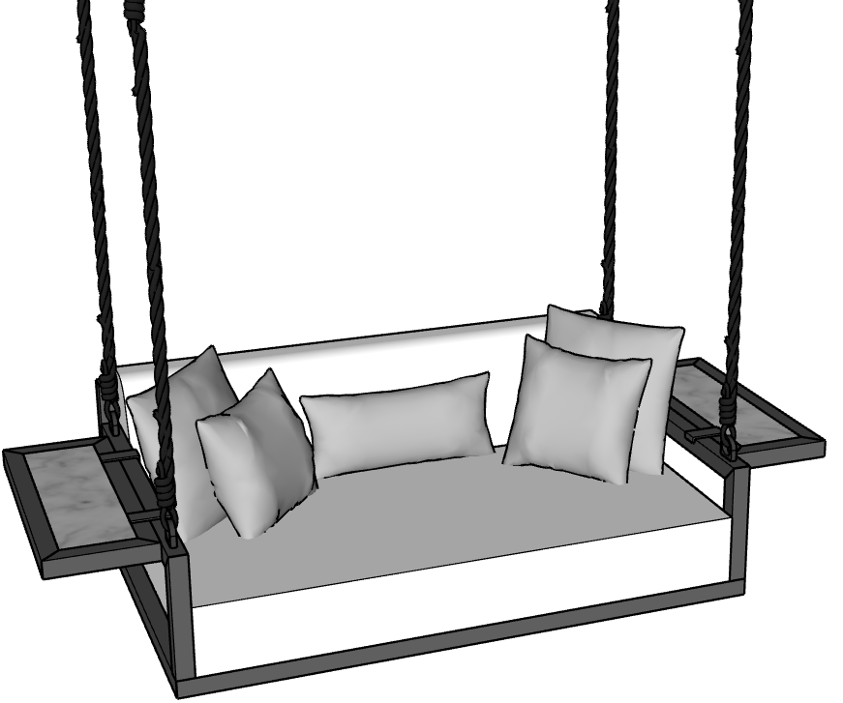 | Bravada | BRV-MIS-66X42 | BRV-MIS-66X42.skp | 16'' | 10'' | 66" | 42'' | 23" | BRAVADA SWING 66" X 42":BRAVADA SWING 66" x 42" | BRAVADA SWING 66" x 42" x 23" BH | $3,900.00 | $4,485.00 | The Bravada Swing is a statement piece that can be hung from a structure or by making use of our free-standing frame. Deep seating with extra pillows, it is perfect for relaxation and style. Nylon ropes allow for soft gliding, with metal chains as an optional upcharge. Fly tables are also optional and can be welded on or removable. CC Patio recommeds the customer hire a third party contractor to install the anchors necessary for the hooks. Please contact our sales department for more information. | N/A | Y | Y | Y | Y | Flyl Tables | https://ccpatiodev2.primeview.com/product/bravada-swing/
 | 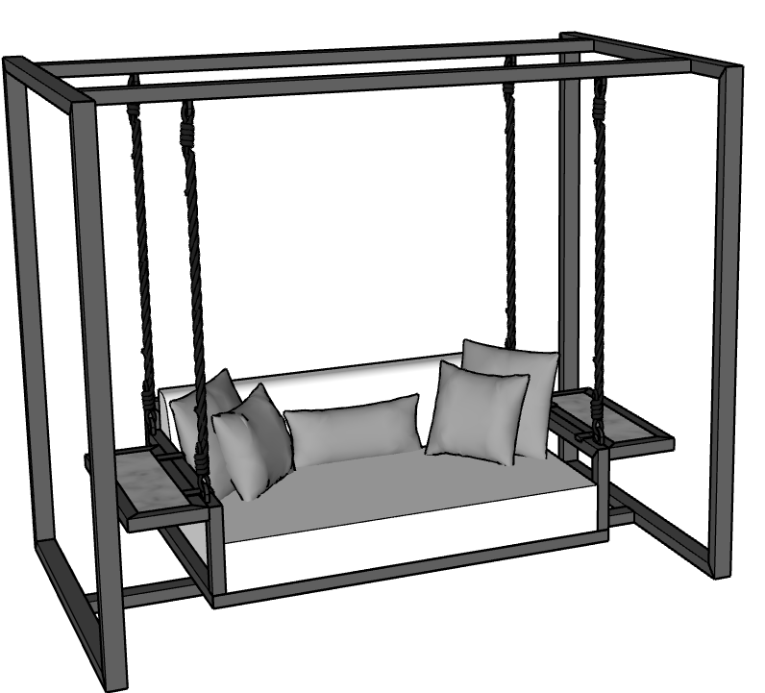 | Bravada | BRV-MIS-96X60 | BRV-MIS-96X60.skp | 22'' | 16'' | 96" | 60" | 84'' | BRAVADA SWING 66" x 42" w/FRAME | BRAVADA SWING 66" x 42" w/FRAME x 84" | $7,280.00 | $8,372.00 |  | N/A | Y | Y | Y | Y
 | 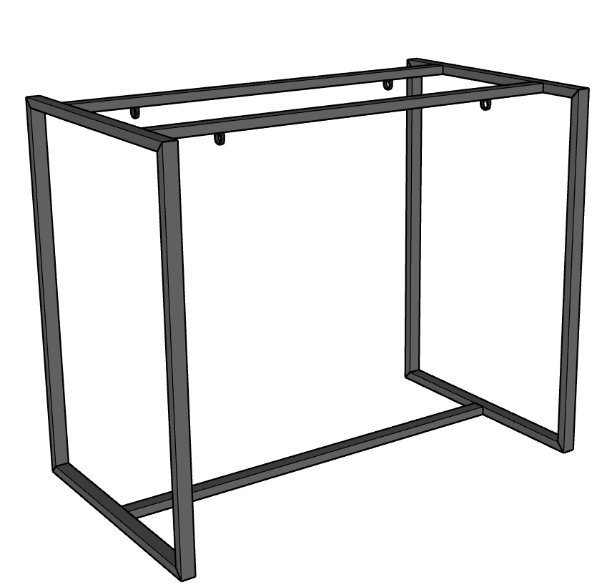 | Bravada | BRV-MIS-72X66 | BRV-MIS-72X66.skp |  |  | 72" | 66" |  |  | BRAVADA SWING FRAME ONLY 66-72" x 42" x 84" | $3,200.00 | $3,680.00 | This sturdy free-standing frame creates a playful energy for your designer swing that can be positioned anywhere. Powdercoated to match your swing, add your own personal style to a statement piece that will provide true comfort and style. | N/A | Y | Y | Y | Y
 |  |  | BRV-MIS-84 | BRV-MIS-84.skp |  |  | 84" |  |  |  | BRAVADA SWING FRAME ONLY 84"+ Thicker Gauge | $4,200.00 | $4,830.00
 |  | Bravada | BRV-MIS-72X42 | BRV-MIS-72X42.skp | 16'' | 10'' | 72" | 42'' | 23" | BRAVADA SWING 72" X 42":BRAVADA SWING 72" x 42" | BRAVADA SWING 72" x 42" x 23" BH | $4,400.00 | $5,060.00 |  | N/A | Y | Y | Y | Y |  | https://ccpatiodev2.primeview.com/product/bravada-swing/
 |  | Bravada | BRV-MIS-102X60 | BRV-MIS-102X60.skp | 22'' | 16'' | 102'' | 60'' | 84" | BRAVADA SWING 72" x 42" w/FRAME:BRAVADA SWING 72" x 42" w/FRAME | BRAVADA SWING 72" x 42" w/FRAME | $8,240.00 | $9,476.00 |  | N/A | Y | Y | Y | Y
 |  | Bravada | BRV-MIS-84X42 | BRV-MIS-84X42.skp |  |  | 84" | 42" |  |  | BRAVADA SWING 84" x 42" x 23" BH | $4,900.00 | $5,635.00 |  | N/A | Y | Y | Y | Y |  | https://ccpatiodev2.primeview.com/product/bravada-swing/
 |  | Bravada | BRV-MIS-96X42 | BRV-MIS-96X42.skp |  |  | 96" | 42" |  |  | BRAVADA SWING 96" x 42" x 23" BH | $5,400.00 | $6,210.00 |  | N/A | Y | Y | Y | Y
57 | 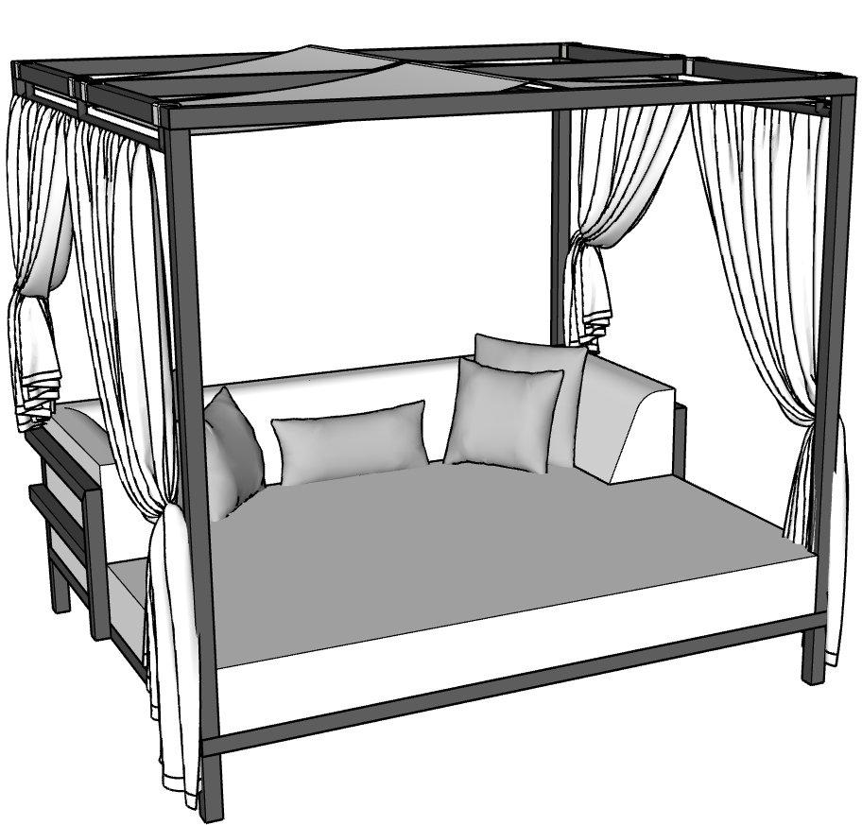 | Bravada | BRV-MIS-84X84 | BRV-MIS-84X84.skp | 28'' | 18'' | 84" | 84" | 78'' | CABANA 84"x84":CABANA 84"x84" | CABANA DAYBED 84"x84" x 78" | $7,980.00 | $9,177.00 | The Cabana Daybed is an iconic piece that will be the destination for backyard relaxation. Featuring a massive daybed, complete with built-in headrest and numerous pillows, get ready to daydream the afternoon away. The frame can be fitted with curtains or slats for privacy and shade. Contact our sales department for details about all customization options. |  |  |  |  |  | Fly Tables | https://ccpatiodev2.primeview.com/product/bravada-cabana-daybed/

 | UMBRELLAS, PILLOWS, ACCESSORIES & MISC.
 |  |  | MIS-MIS-17X17 | MIS-MIS-17X17.skp |  |  | 17" | 17" |  |  | SQUARE PILLOW 17" X 17" | $65.00 | N/A |  |  |  |  |  |  |  | https://ccpatiodev2.primeview.com/product/square-pillow/
 |  |  | MIS-MIS-23X23 | MIS-MIS-23X23.skp |  |  | 23" | 23" |  |  | SQUARE PILLOW 23" X 23" | $95.00 | N/A
 |  |  | MIS-MIS-24X12 | MIS-MIS-24X12.skp |  |  | 24" | 12" |  |  | LUMBAR PILLOW 12" X 24" | $65.00 | N/A |  |  |  |  |  |  |  | https://ccpatiodev2.primeview.com/product/lumbar-pillow/
 |  |  | MIS-MIS-00 | MIS-MIS-00.skp |  |  |  |  |  |  | LUMBAR PILLOW | $120.00 | N/A
58 |  | Miscellaneous | MIS-MIS-00 | MIS-MIS-00.skp |  |  |  |  |  | FLEXY TWIN NO BASE:FLEXY TWIN NO BASE | FLEXY TWIN NO BASE | $8,500.00 | N/A | The Flexy Twin is a, modular, and modern commercial-grade shade system designed by Fim Umbrellas featuring two independent, tiltable canopy wings attached to a single, central oval-shaped, powder-coated aluminum pole. It is designed for both residential and commercial spaces, providing customized, large-surface shade options with either manual pulley or optional electric operation. |  |  |  |  |  |  | https://ccpatiodev2.primeview.com/product/flexy-twin-no-base/
 |  |  | MIS-MIS-00 | MIS-MIS-00.skp |  |  |  |  |  |  | FLEXY TWIN BASE | $2,100.00 |  | Free-standing Base for Flexy Twin Shade System with concrete ballast and powdercoated Cover. |  |  |  |  |  |  | https://ccpatiodev2.primeview.com/product/flexy-twin-base/
 |  | Miscellaneous | MIS-MIS-00 | MIS-MIS-00.skp |  |  |  |  |  | FLEXY ZEN COVER:FLEXY ZEN COVER | FLEXY ZEN COVER | $450.00 | N/A |  |  |  |  |  |  |  | https://ccpatiodev2.primeview.com/product/flexy-zen-cover/
59 |  | Miscellaneous | MIS-MIS-00 | MIS-MIS-00.skp |  |  |  |  |  | FLEXY ZEN NO BASE:FLEXY ZEN NO BASE | FLEXY ZEN SHADE SYSTEM, NO BASE | $11,750.00 | N/A | The FIM Flexy Zen is a modular, Italian-designed freestanding shade system featuring twin elliptical poles and a retractable, tilting canopy. Ideal for commercial and residential use, it covers large areas (10 sizes available) without a central obstruction, providing a modern, minimalist look. The system is durable, utilizing aluminum structures and high-quality, UV-resistant acrylic fabrics. |  |  |  |  |  |  | https://ccpatiodev2.primeview.com/product/flexy-zen-shade-system-no-base/
 |  |  | MIS-MIS-00 | MIS-MIS-00.skp |  |  |  |  |  |  | FLEXY ZEN SHADE SYSTEM BASES | $7,000.00 |  | Lead Bases for Flexy Zen Shade System |  |  |  |  |  |  | https://ccpatiodev2.primeview.com/product/flexy-zen-shade-system-bases/
 | N/A |  | MIS-MIS-00 | MIS-MIS-00.skp |  |  |  |  |  | IRONWOOD:ADD IRONWOOD (2 ARMS) | ADD IRONWOOD (2 ARMS) | $200.00 | N/A
60 |  | Miscellaneous | MIS-MIS-00 | MIS-MIS-00.skp |  |  |  |  |  | KINDLE LIVING HEATER:KINDLE LIVING HEATER (Allison) | KINDLE LIVING HEATER (Allison) | $4,995.00 | N/A | Kindle Living designs luxury, award-winning, and handmade patio heaters in Los Angeles that combine, heating, lighting, and sophisticated design. Known for a "sculptural" and modern aesthetic—such as the Allison or Bella models—these heaters function like oversized lamps, offering a stylish alternative to industrial outdoor heaters. |  |  |  |  |  |  | https://ccpatiodev2.primeview.com/product/kindle-living-heater-allison/
 |  |  | MIS-MIS-00 | MIS-MIS-00.skp |  |  |  |  |  | KINDLE LIVING LAMP:KINDLE LIVING LAMP (Allison) | KINDLE LIVING LAMP (Allison) | $4,975.00 | N/A |  |  |  |  |  |  |  | https://ccpatiodev2.primeview.com/product/kindle-living-lamp-allison/
61 |  | Tenjam | TJM-TBL-00 | TJM-TBL-00.skp |  |  |  |  |  | LEDGE LOUNGER AUTOGRAPH SIDE TABLE:LEDGE LOUNGER AUTOGRAPH SIDE TABLE | LAYLO LOUNGER, NO RISERS | $599.99 |  |  |  |  |  |  |  |  | https://ccpatiodev2.primeview.com/product/laylo-lounger/
 |  | Tenjam | TJM-CHS-00 | TJM-CHS-00.skp |  |  |  |  |  | LEDGE LOUNGER:LEDGE LOUNGER AUTOGRAPH CHAISE (Water Height- ) | LAYLO LOUNGER W/4" RISERS | $729.99 | N/A
 |  | Tenjam | TJM-CHS-00 | TJM-CHS-00.skp |  |  |  |  |  | LEDGE LOUNGER:LEDGE LOUNGER SIGNATURE CHAISE DEEP (Water Height- ) | PILLOW FOR LOUNGERS W/POCKET | $154.99 | N/A |  |  |  |  |  |  |  | https://ccpatiodev2.primeview.com/product/pillow-for-loungers-w-pocket/
 |  | Tenjam | TJM-CHS-00 | TJM-CHS-00.skp |  |  |  |  |  | LEDGE LOUNGER:LEDGE LOUNGER SIGNATURE CHAISE (Water Height- ) | ONE 4 LB. COATED LED WEIGHT | $59.99 | N/A |  |  |  |  |  |  |  | https://ccpatiodev2.primeview.com/product/coated-led-weight/
 |  | Tenjam | TJM-MIS-00 | TJM-MIS-00.skp |  |  |  |  |  | LEDGE LOUNGER SIGNATURE LOWBACK CHAIR:LEDGE LOUNGER SIGNATURE LOWBACK CHAIR | TWE 4 LB. COATED LEAD WEIGHTS (8 LBS. TOTAL) | $94.99 | N/A
62 |  | Tenjam | TJM-MIS-00 | TJM-MIS-00.skp |  |  |  |  |  |  | FREELO CHAIR SPLASH | $499.99 | N/A | The Tenjam Freelo Chair is a durable, rotomolded polyethylene in-pool lounger designed for tanning ledges, baja shelves, and shallow water up to 11 inches deep. Featuring a compact, Adirondack-inspired design, it uses a "Speed Fill" ballast system to automatically fill and drain water for easy placement, and is safe for all pool types. Made from high-density, UV-stabilized polyethylene that is rustproof, waterproof, and impact-resistant. |  |  |  |  |  |  | https://ccpatiodev2.primeview.com/product/freelo-chair-splash/
63 | 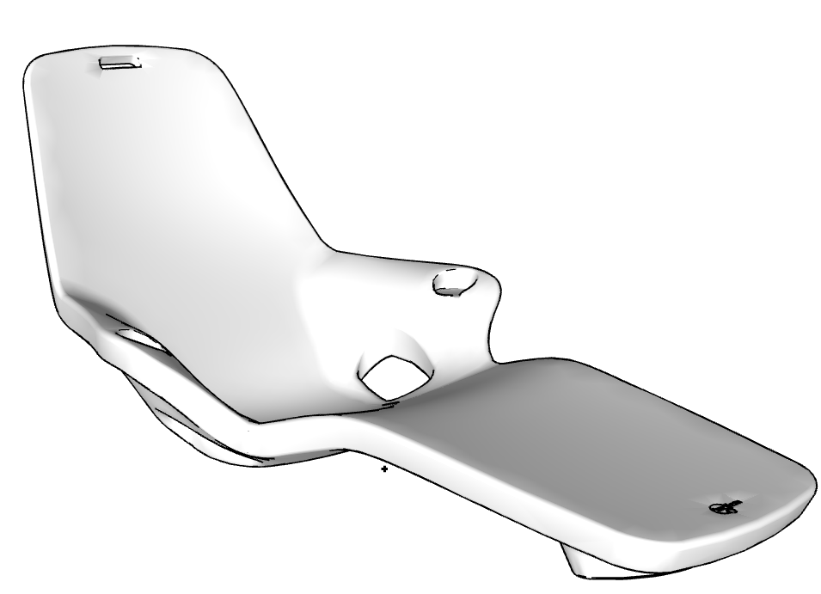 | Tenjam | TJM-MIS-00 | TJM-MIS-00.skp |  |  |  |  |  |  | TWO SHAYZ LOUNGERS FOR 5" DEPTH | $1,599.99 | N/A | The Tenjam Shayz Loungers, sold as a set, is a high-end, in-pool chaise specifically engineered for use on tanning ledges, sun shelves, and baja shelves. It is distinguished by its upright "social" backrest angle, which is designed for activities like reading or conversing rather than just lying flat. Need the depth of the Baja shelf water to determine the height of the risers. Headrest pillows sold separately. Made from high-density, UV-stabilized polyethylene that is rustproof, waterproof, and impact-resistant. |  |  |  |  |  |  | https://ccpatiodev2.primeview.com/product/two-shayz-loungers/
 | 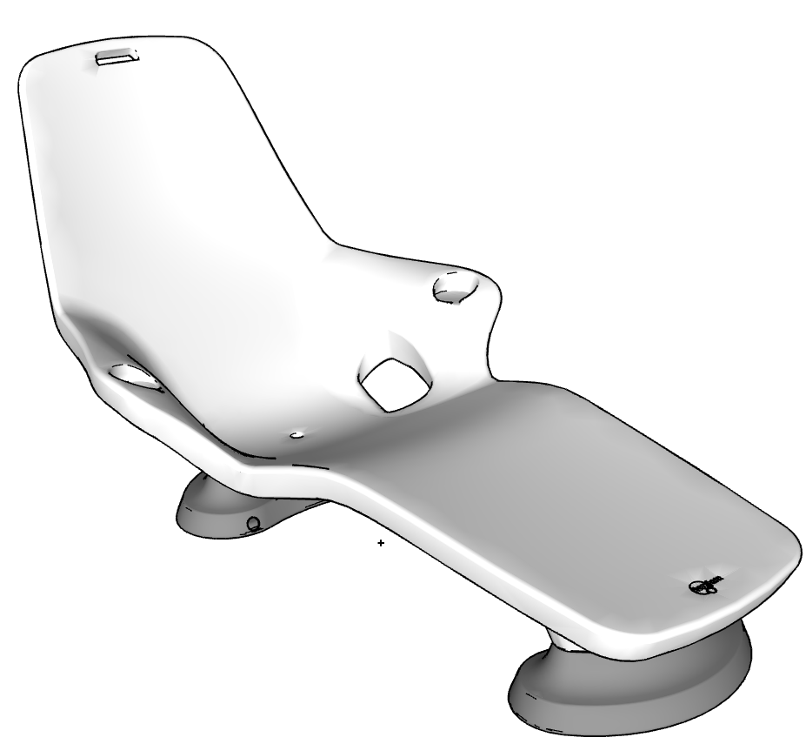 | Tenjam | TJM-MIS-00 | TJM-MIS-00.skp |  |  |  |  |  |  | TWO SHAYZ LOUNGERS & TWO SETS OF 4" RISERS, FOR 9" DEPTH | $1,749.99 | N/A
 |  | Tenjam | TJM-MIS-13 | TJM-MIS-13.skp |  |  | 13" |  |  |  | TWO SHAYZ LOUNGERS & TWO SETS OF 8" RISERS, FOR 13" DEPTH | $1,849.99 | N/A
 | 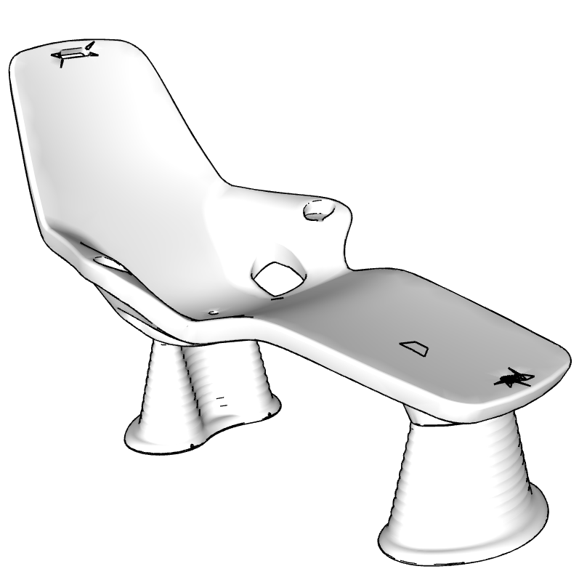 | Tenjam | TJM-MIS-17X12 | TJM-MIS-17X12.skp |  |  | 17" | 12" |  |  | TWO SHAYZ LOUNGERS & TWO SETS OF 12" RISERS FOR 17" DEPTH | $1,849.99 | N/A
64 | 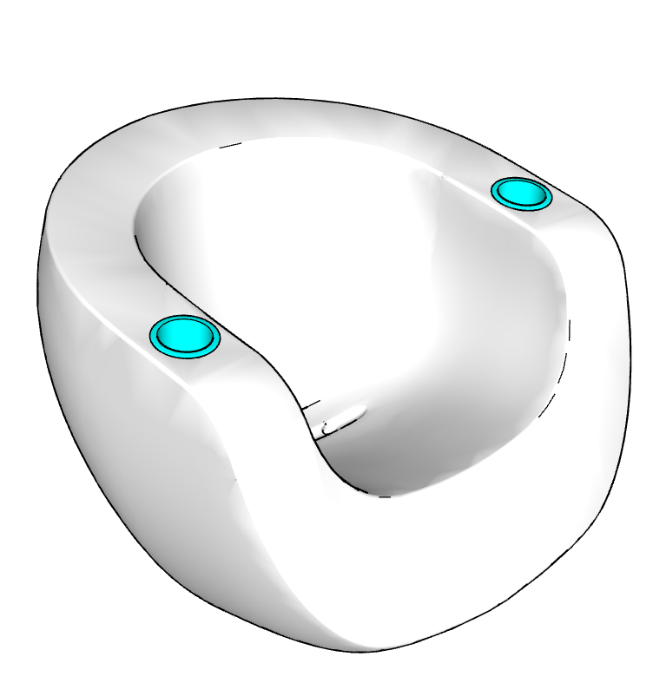 | Tenjam | TJM-MIS-00 | TJM-MIS-00.skp |  |  |  |  |  |  | MOON CHAIR W/CUP HOLDERS | $749.99 | N/A | The Tenjam Moon Chair is a retro-futuristic lounge chair known for its fluid, sculptural design. It comes in two primary versions: a Splash Series for in-pool use and a Sessions/Contract version for indoor or dry outdoor spaces. Made from high-density, UV-stabilized polyethylene that is rustproof, waterproof, and impact-resistant with in pool use up to 12 inches of water. |  |  |  |  |  |  | https://ccpatiodev2.primeview.com/product/moon-chair-w-cup-holders/
65 |  | Tenjam | TJM-MIS-00 | TJM-MIS-00.skp |  |  |  |  |  |  | MIBSTER CHAIR W/CUP HOLDERS | $749.99 | N/A |  |  |  |  |  |  |  | https://ccpatiodev2.primeview.com/product/mibster-chair-w-cup-holders/
 |  | Tenjam | TJM-MIS-00 | TJM-MIS-00.skp |  |  |  |  |  |  | TWO WOOSAH CHAIRS | $1,759.99 | N/A |  |  |  |  |  |  |  | https://ccpatiodev2.primeview.com/product/two-woosah-chairs/
 |  | Tenjam | TJM-TBL-00 | TJM-TBL-00.skp |  |  |  |  |  |  | Ripple Table | $464.99 |  |  |  |  |  |  |  |  | https://ccpatiodev2.primeview.com/product/ripple-table/
 | N/A |  | MIS-UMB-00 | MIS-UMB-00.skp |  |  |  |  |  | MARINA 2x2 UMBRELLA NO BASE:MARINA 2x2 UMBRELLA NO BASE | MARINA 2x2 UMBRELLA NO BASE | $700.00 | N/A |  |  |  |  |  |  |  | https://ccpatiodev2.primeview.com/product/marina-2x2-umbrella-no-base/
66 | 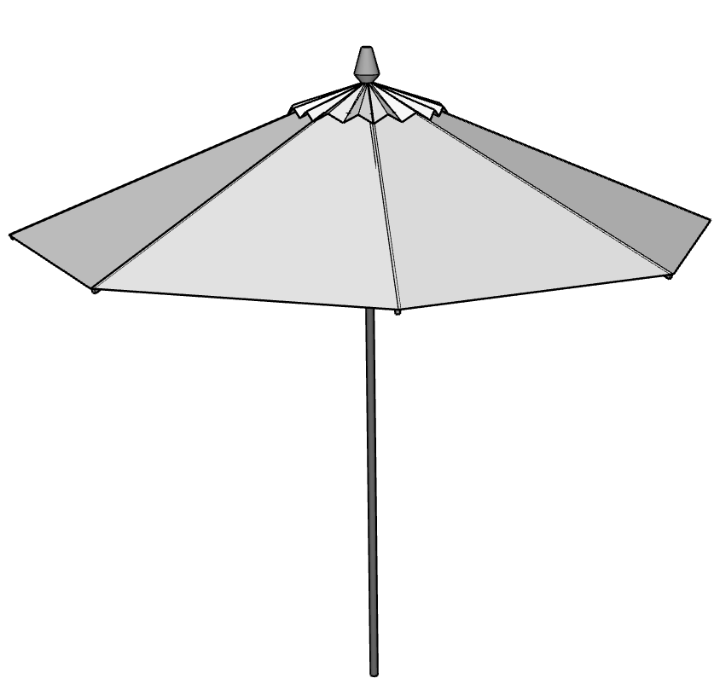 |  | MIS-UMB-00 | MIS-UMB-00.skp |  |  |  |  |  | MARINA 3M UMBRELLA NO BASE:MARINA 3M UMBRELLA NO BASE | LIDO 3M UMBRELLA NO BASE | $950.00 | N/A | The Scolaro Lido 2x2m (approx. 6.5' x 6.5') is an elegant, Italian-made square central pole umbrella designed for, but not limited to, beach and pool environments. It features a, durable, lightweight aluminum frame with an intuitive "push-up" system, allowing for effortless opening without cranks or ropes. It is designed to be a modern and functional shade solution. |  |  |  |  |  |  | https://ccpatiodev2.primeview.com/product/lido-3m-umbrella-no-base/
 | N/A |  | MIS-UMB-00 | MIS-UMB-00.skp |  |  |  |  |  | MARINA UMBRELLA COVER:MARINA UMBRELLA COVER | MARINA UMBRELLA COVER | $100.00 | N/A |  |  |  |  |  |  |  | https://ccpatiodev2.primeview.com/product/marina-umbrella-cover/
 | N/A |  | MIS-TBL-56X14 | MIS-TBL-56X14.skp |  |  | 56" | 14" | 36" | OCCASIONAL TABLE:OCCASIONAL TABLE 56"x14"x36" | OCCASIONAL TABLE 56"x14"x36" | $3,080.00 | N/A |  |  |  |  |  |  |  | https://ccpatiodev2.primeview.com/product/occasional-table/
 | N/A |  | MIS-MIS-00 | MIS-MIS-00.skp |  |  |  |  |  | FABRICATED DEKTON SLAB:FABRICATED DEKTON SLAB | FABRICATED DEKTON SLAB | $4,000.00 | N/A |  |  |  |  |  |  |  | https://ccpatiodev2.primeview.com/product/fabricated-dekton-slab/
 | N/A |  | MIS-UMB-00 | MIS-UMB-00.skp |  |  |  |  |  | CANTILEVER UMBRELLA COVER:CANTILEVER UMBRELLA COVER | CANTILEVER UMBRELLA COVER | $150.00 | N/A |  |  |  |  |  |  |  | https://ccpatiodev2.primeview.com/product/cantilever-umbrella-cover/
67 | 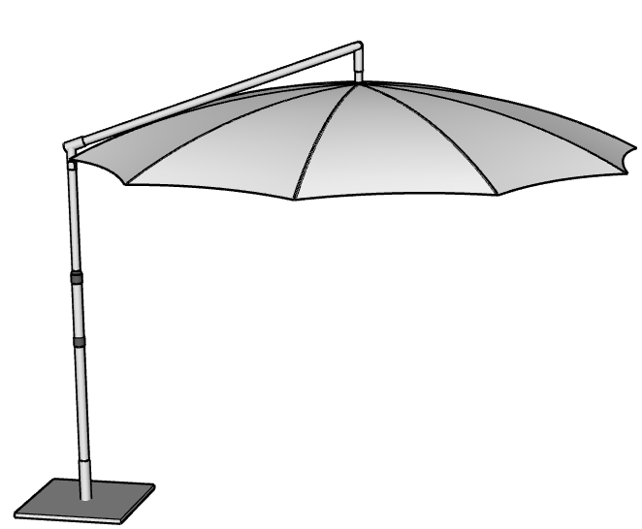 | Miscellaneous | MIS-UMB-00 | MIS-UMB-00.skp |  |  |  |  |  | CANTILEVER UMBRELLA w/BASE:CANTILEVER UMBRELLA w/BASE | CANTILEVER UMBRELLA w/BASE | $5,500.00 | N/A | The Scolaro Astro Cantilever Umbrella (10' x 10') is a high-end Italian-made, 300x300cm commercial-grade shade solution. It features a gas-spring mechanism for effortless opening/closing and a "Motion" system that allows the canopy to retract neatly against the pole, avoiding furniture beneath. It includes a 360-degree rotating mast, aluminum frame (often in dark grey or timber-effect), and premium acrylic fabric. |  |  |  |  |  | Wheels | https://ccpatiodev2.primeview.com/product/cantilever-umbrella-w-base/
 | N/A |  | MIS-OTT-82X23 | MIS-OTT-82X23.skp |  | 22'' | 82" | 23" |  | CUSTOM STORAGE OTTOMAN 23" x 82":CUSTOM STORAGE OTTOMAN 23" x 82" | CUSTOM STORAGE OTTOMAN 23" x 82" | $2,150.00 | N/A
 |  |  | MIS-MIS-00 | MIS-MIS-00.skp |  |  |  |  |  |  | FLEXY ZEN TWIN BASE | $500.00 | N/A |  |  |  |  |  |  |  | https://ccpatiodev2.primeview.com/product/flexy-zen-twin-base/
 |  |  | MIS-MIS-00 | MIS-MIS-00.skp |  |  |  |  |  |  | FLEXY ZEN BASE |  | N/A
 | N/A |  | MIS-MIS-00 | MIS-MIS-00.skp |  |  |  |  |  | UNFABRICATED DEKTON SLAB:UNFABRICATED DEKTON SLAB | UNFABRICATED DEKTON SLAB | $2,500.00 | N/A |  |  |  |  |  |  |  | https://ccpatiodev2.primeview.com/product/unfabricated-dekton-slab/
 | N/A |  | MIS-MIS-00 | MIS-MIS-00.skp |  |  |  |  |  | WEATHERPROOF COVERS:WEATHERPROOF COVERS | WEATHERPROOF COVERS FOR |  | N/A
 | N/A |  | MIS-CHS-00 | MIS-CHS-00.skp |  |  |  |  |  |  | ADD-ON WHEELS FOR CHAISE LOUNGERS | $200 | N/A
 | *Prices are subject to change at CC Patio's discretion.

